Figure 9
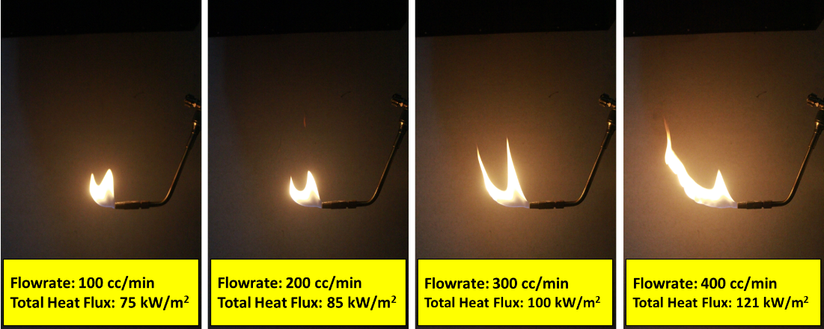
 | Vertical |  |  |  |  |  | Horizontal
Average | 40.736666667 | 39.847866667 | 39.958966667 | 48.587733333 | 79.4365 |  | 62.808533333 | 75.585033333 | 91.398266667 | 111.13703333 | 56.698033333
Stdev | 7.5190435697 | 12.397651605 | 7.0110467566 | 5.492806172 | 2.9831953355 |  | 25.447802008 | 20.558103629 | 23.732357378 | 28.319024604 | 3.9908464395

 | Total Heatflux
Flowrate | 100 | 200 | 300 | 400 | Lilin
Ratio (Ver/Hor) | 0.64858490566 | 0.52719255267 | 0.43719611021 | 0.43718760413 | 1.4010450686
qc | 74.862459688 | 85.445595216 | 99.751502078 | 121.29389106 | 97.595207444 | kW/m^2
StaDEV | 26.535384739 | 24.007027932 | 24.746304034 | 28.846803535 | 4.9826006978
StaDEV teta
teta | 0.57537978334 | 0.48516425687 | 0.41215534499 | 0.41214820384 | 0.91510070055 | radian
Degree (angle) | 32.966833203 | 27.797864289 | 23.614761771 | 23.614352614 | 52.431407971 | 0

Figure 11
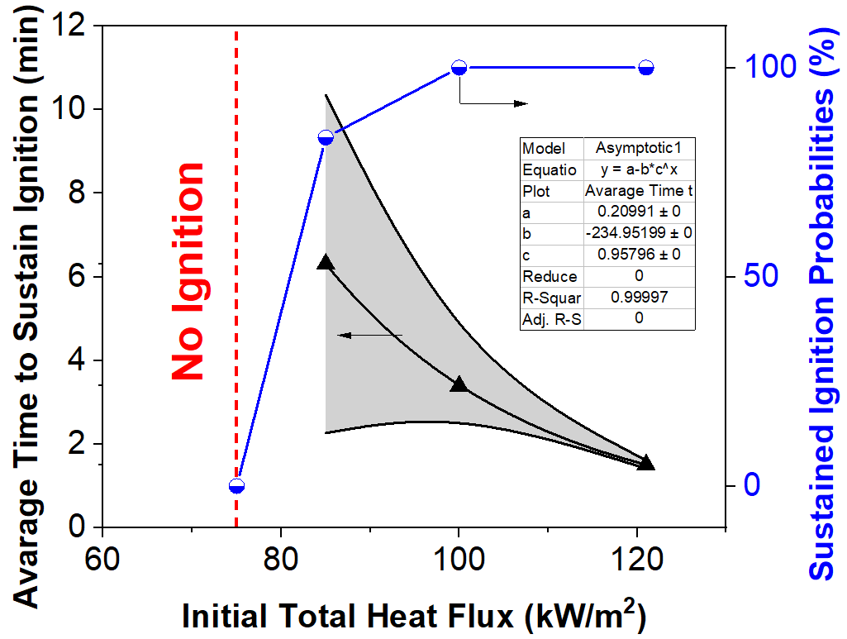
Heat Flux | Avarage Time to Sustain Ignition |  | Sustained Ignition Probabilities
kW/m\+(2) | min |  | %
75 | X |  | 0
85 | 6.312 | 4.04875 | 83.3
100 | 3.395 | 0.59158 | 100
121 | 1.51 | 0.09539 | 100

Figure 12
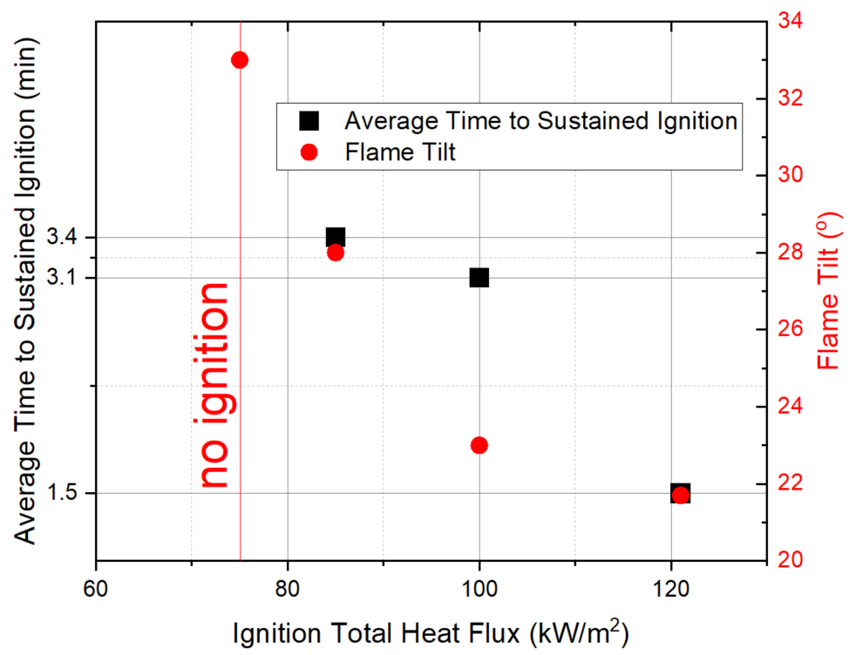
Ignition Total Heat Flux | Average Time to Sustained Ignition | Flame Tilt
kW/m\+(2) | min | (\+(o))
75 | x | 33
85 | 3.4 | 28
100 | 3.1 | 23
121 | 1.5 | 21.7

Figure 14
 |  |  |  | 5 | 10 | 15 | 20
\+(o)C | \+(o)C | \+(o)C | \+(o)C | \+(o)C/min | \+(o)C/min | \+(o)C/min | \+(o)C/min
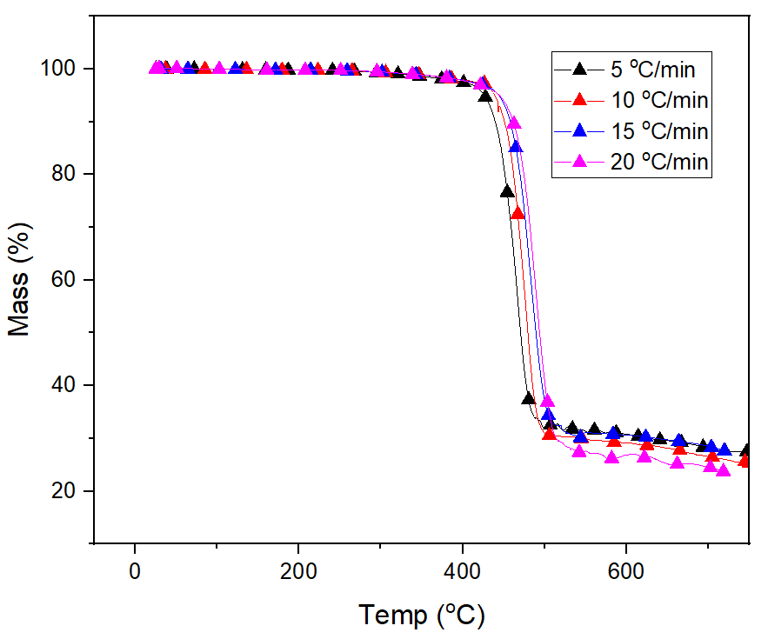
25.451 | 25.33 | 25.369 | 25.326 | 100 | 100 | 100 | 100
25.467 | 25.347 | 25.373 | 25.347 | 100 | 100 | 100 | 99.89766
25.486 | 25.343 | 25.37 | 25.343 | 100.00197 | 100 | 100 | 99.85677
25.485 | 25.345 | 25.387 | 25.353 | 100.0059 | 100 | 100 | 99.8324
25.504 | 25.358 | 25.39 | 25.357 | 100.00759 | 99.9962 | 100 | 99.81397
25.503 | 25.374 | 25.399 | 25.355 | 100.00984 | 99.99496 | 100 | 99.7995
25.504 | 25.364 | 25.394 | 25.358 | 100.01177 | 99.99372 | 100 | 99.78965
25.533 | 25.373 | 25.392 | 25.369 | 100.01216 | 99.98992 | 100 | 99.7831
25.535 | 25.387 | 25.418 | 25.379 | 100.01149 | 99.98992 | 100 | 99.78021
25.553 | 25.405 | 25.418 | 25.37 | 100.01043 | 99.98992 | 99.99983 | 99.77855
25.565 | 25.418 | 25.43 | 25.369 | 100.00959 | 99.98992 | 99.99874 | 99.77912
25.584 | 25.415 | 25.417 | 25.373 | 100.00953 | 99.98992 | 99.99768 | 99.78054
25.58 | 25.431 | 25.434 | 25.372 | 100.00947 | 99.98992 | 99.99681 | 99.78307
25.603 | 25.422 | 25.438 | 25.389 | 100.00943 | 99.99244 | 99.99538 | 99.78566
25.626 | 25.456 | 25.428 | 25.379 | 100.00939 | 99.99496 | 99.99437 | 99.78893
25.631 | 25.454 | 25.436 | 25.373 | 100.00935 | 99.99496 | 99.9939 | 99.79175
25.65 | 25.46 | 25.443 | 25.373 | 100.00947 | 99.99496 | 99.99348 | 99.79458
25.658 | 25.477 | 25.443 | 25.384 | 100.00927 | 99.99496 | 99.99312 | 99.7978
25.657 | 25.472 | 25.457 | 25.399 | 100.00879 | 99.99496 | 99.9928 | 99.80116
25.675 | 25.481 | 25.457 | 25.395 | 100.00837 | 99.99368 | 99.99252 | 99.80451
25.69 | 25.491 | 25.452 | 25.381 | 100.00827 | 99.99368 | 99.99226 | 99.8076
25.701 | 25.498 | 25.463 | 25.393 | 100.00822 | 99.99368 | 99.99203 | 99.81092
25.718 | 25.509 | 25.472 | 25.419 | 100.00818 | 99.99368 | 99.99182 | 99.81401
25.727 | 25.511 | 25.483 | 25.421 | 100.00815 | 99.99368 | 99.99163 | 99.81706
25.734 | 25.51 | 25.478 | 25.415 | 100.00811 | 99.99368 | 99.99145 | 99.82024
25.745 | 25.512 | 25.493 | 25.415 | 100.00805 | 99.99368 | 99.99129 | 99.82315
25.768 | 25.539 | 25.486 | 25.416 | 100.00777 | 99.99368 | 99.99148 | 99.82584
25.768 | 25.553 | 25.487 | 25.42 | 100.00731 | 99.99748 | 99.99177 | 99.82833
25.789 | 25.556 | 25.503 | 25.436 | 100.00674 | 99.99872 | 99.99192 | 99.83063
25.786 | 25.563 | 25.515 | 25.425 | 100.00624 | 99.99872 | 99.99177 | 99.83277
25.812 | 25.573 | 25.513 | 25.439 | 100.00584 | 99.99872 | 99.99163 | 99.83477
25.822 | 25.565 | 25.51 | 25.431 | 100.00547 | 99.99872 | 99.99149 | 99.83664
25.852 | 25.586 | 25.528 | 25.44 | 100.00513 | 99.99872 | 99.99136 | 99.83839
25.858 | 25.592 | 25.525 | 25.437 | 100.00487 | 99.99872 | 99.99125 | 99.84003
25.864 | 25.594 | 25.54 | 25.451 | 100.00478 | 100.00124 | 99.99131 | 99.84157
25.894 | 25.603 | 25.539 | 25.443 | 100.00484 | 100.0038 | 99.99153 | 99.84302
25.889 | 25.615 | 25.538 | 25.459 | 100.00504 | 100.0038 | 99.99174 | 99.84439
25.906 | 25.629 | 25.553 | 25.459 | 100.00514 | 100.0038 | 99.99194 | 99.84569
25.902 | 25.632 | 25.55 | 25.446 | 100.00511 | 100.0038 | 99.99213 | 99.84692
25.927 | 25.637 | 25.573 | 25.471 | 100.00492 | 100.0038 | 99.99219 | 99.84813
25.939 | 25.637 | 25.566 | 25.461 | 100.00453 | 100.0038 | 99.99233 | 99.84954
25.939 | 25.661 | 25.577 | 25.463 | 100.00414 | 100.0038 | 99.9925 | 99.85094
25.959 | 25.661 | 25.568 | 25.46 | 100.00376 | 100.00128 | 99.99265 | 99.85226
25.976 | 25.689 | 25.58 | 25.462 | 100.0035 | 99.99876 | 99.99284 | 99.85353
25.996 | 25.687 | 25.58 | 25.478 | 100.00329 | 99.99876 | 99.99321 | 99.85473
26.006 | 25.687 | 25.586 | 25.486 | 100.00309 | 100.00252 | 99.99339 | 99.85592
26.025 | 25.699 | 25.579 | 25.486 | 100.00294 | 100.0038 | 99.9935 | 99.8573
26.017 | 25.71 | 25.592 | 25.493 | 100.00288 | 100.0038 | 99.99359 | 99.85865
26.052 | 25.716 | 25.604 | 25.496 | 100.00283 | 100.0038 | 99.9936 | 99.85995
26.055 | 25.704 | 25.623 | 25.497 | 100.00285 | 100.0038 | 99.99364 | 99.86119
26.073 | 25.728 | 25.62 | 25.498 | 100.00286 | 100.0038 | 99.99371 | 99.86238
26.096 | 25.746 | 25.624 | 25.513 | 100.00296 | 100 | 99.99375 | 99.86353
26.099 | 25.755 | 25.626 | 25.519 | 100.00294 | 99.99876 | 99.99379 | 99.86463
26.119 | 25.76 | 25.641 | 25.527 | 100.0028 | 99.99876 | 99.99385 | 99.86572
26.138 | 25.771 | 25.639 | 25.519 | 100.00265 | 99.99876 | 99.99391 | 99.86697
26.155 | 25.775 | 25.638 | 25.518 | 100.00243 | 99.99876 | 99.99397 | 99.86821
26.183 | 25.783 | 25.651 | 25.53 | 100.00231 | 99.99876 | 99.99403 | 99.8694
26.177 | 25.806 | 25.668 | 25.532 | 100.00219 | 99.99876 | 99.99414 | 99.87056
26.189 | 25.809 | 25.664 | 25.527 | 100.00217 | 99.99876 | 99.99419 | 99.87176
26.221 | 25.807 | 25.676 | 25.547 | 100.0022 | 99.99876 | 99.99424 | 99.8731
26.228 | 25.827 | 25.679 | 25.542 | 100.0022 | 99.99876 | 99.99429 | 99.87439
26.233 | 25.835 | 25.679 | 25.542 | 100.00215 | 100.00128 | 99.99433 | 99.87564
26.267 | 25.849 | 25.7 | 25.554 | 100.00214 | 100 | 99.99438 | 99.87694
26.287 | 25.86 | 25.69 | 25.556 | 100.00213 | 99.99876 | 99.99447 | 99.87833
26.286 | 25.86 | 25.7 | 25.554 | 100.00206 | 99.99876 | 99.9946 | 99.87969
26.31 | 25.877 | 25.714 | 25.564 | 100.00195 | 99.99876 | 99.99468 | 99.881
26.311 | 25.88 | 25.721 | 25.577 | 100.00183 | 99.99876 | 99.99472 | 99.88227
26.34 | 25.888 | 25.732 | 25.568 | 100.00172 | 99.99876 | 99.99475 | 99.88364
26.342 | 25.894 | 25.731 | 25.569 | 100.00161 | 99.9962 | 99.99481 | 99.88504
26.368 | 25.911 | 25.738 | 25.6 | 100.00144 | 99.9962 | 99.99487 | 99.88638
26.391 | 25.921 | 25.752 | 25.597 | 100.00128 | 99.99872 | 99.99491 | 99.88747
26.389 | 25.923 | 25.738 | 25.586 | 100.00108 | 99.99872 | 99.99494 | 99.8885
26.421 | 25.933 | 25.749 | 25.589 | 100.00091 | 99.99872 | 99.99497 | 99.88933
26.41 | 25.944 | 25.753 | 25.595 | 100.00076 | 99.99872 | 99.995 | 99.89013
26.451 | 25.963 | 25.767 | 25.589 | 100.00068 | 99.99872 | 99.99503 | 99.89082
26.471 | 25.976 | 25.776 | 25.589 | 100.00063 | 99.99872 | 99.99498 | 99.89136
26.485 | 25.976 | 25.772 | 25.598 | 100.0006 | 99.99872 | 99.99493 | 99.89188
26.494 | 25.995 | 25.784 | 25.6 | 100.00056 | 99.99872 | 99.99496 | 99.89242
26.5 | 26.007 | 25.805 | 25.595 | 100.00053 | 99.99496 | 99.99495 | 99.89315
26.527 | 26.019 | 25.805 | 25.61 | 100.00049 | 99.99707 | 99.9948 | 99.89409
26.543 | 26.028 | 25.799 | 25.62 | 100.00047 | 99.99835 | 99.99466 | 99.89508
26.567 | 26.049 | 25.814 | 25.616 | 100.00042 | 99.99835 | 99.99442 | 99.8962
26.576 | 26.042 | 25.811 | 25.622 | 100.00034 | 99.99835 | 99.99413 | 99.8973
26.586 | 26.054 | 25.832 | 25.628 | 100.00025 | 99.99835 | 99.99385 | 99.89848
26.612 | 26.066 | 25.832 | 25.638 | 100.00016 | 99.99583 | 99.99365 | 99.89968
26.615 | 26.073 | 25.832 | 25.627 | 100.0001 | 99.99583 | 99.99352 | 99.90062
26.644 | 26.099 | 25.838 | 25.647 | 100.00001 | 99.99583 | 99.9934 | 99.90143
26.647 | 26.112 | 25.852 | 25.65 | 99.99992 | 99.99707 | 99.99339 | 99.90212
26.673 | 26.101 | 25.857 | 25.647 | 99.9998 | 100.00086 | 99.9934 | 99.90268
26.699 | 26.13 | 25.869 | 25.649 | 99.99965 | 100.00086 | 99.99338 | 99.90312
26.714 | 26.146 | 25.868 | 25.662 | 99.9995 | 100.00086 | 99.99343 | 99.90356
26.733 | 26.156 | 25.884 | 25.666 | 99.99938 | 100.00086 | 99.99337 | 99.90412
26.758 | 26.171 | 25.88 | 25.66 | 99.9992 | 100.00086 | 99.99338 | 99.90492
26.75 | 26.168 | 25.883 | 25.671 | 99.99907 | 100.00086 | 99.9934 | 99.9059
26.776 | 26.198 | 25.895 | 25.671 | 99.99895 | 100.00086 | 99.99335 | 99.90689
26.797 | 26.221 | 25.908 | 25.683 | 99.99888 | 99.99959 | 99.99341 | 99.90786
26.817 | 26.212 | 25.91 | 25.688 | 99.99885 | 99.99835 | 99.99347 | 99.90882
26.843 | 26.234 | 25.925 | 25.689 | 99.99881 | 99.99959 | 99.99347 | 99.9098
26.849 | 26.242 | 25.934 | 25.685 | 99.99878 | 100.00083 | 99.9934 | 99.91086
26.861 | 26.253 | 25.935 | 25.689 | 99.99871 | 99.99748 | 99.99332 | 99.91188
26.892 | 26.271 | 25.933 | 25.707 | 99.99863 | 99.9962 | 99.99316 | 99.91277
26.906 | 26.268 | 25.943 | 25.705 | 99.9985 | 99.98989 | 99.99308 | 99.91361
26.939 | 26.295 | 25.951 | 25.721 | 99.99837 | 99.98865 | 99.99294 | 99.91446
26.943 | 26.304 | 25.958 | 25.703 | 99.99824 | 99.98316 | 99.99275 | 99.91537
26.971 | 26.312 | 25.977 | 25.726 | 99.9981 | 99.98316 | 99.99265 | 99.91618
26.996 | 26.333 | 25.974 | 25.731 | 99.99797 | 99.98568 | 99.99255 | 99.91696
26.997 | 26.347 | 25.995 | 25.743 | 99.99783 | 99.9882 | 99.99238 | 99.91773
27.024 | 26.365 | 25.999 | 25.717 | 99.9977 | 99.9882 | 99.99229 | 99.91853
27.037 | 26.36 | 26.004 | 25.74 | 99.99756 | 99.9882 | 99.99218 | 99.9194
27.049 | 26.385 | 26.018 | 25.759 | 99.99743 | 99.98947 | 99.99211 | 99.92017
27.068 | 26.388 | 26.004 | 25.755 | 99.99729 | 99.99624 | 99.99208 | 99.92086
27.1 | 26.406 | 26.027 | 25.747 | 99.99721 | 99.99876 | 99.99214 | 99.92155
27.109 | 26.421 | 26.031 | 25.759 | 99.99713 | 99.99876 | 99.99214 | 99.9223
27.124 | 26.419 | 26.042 | 25.765 | 99.99709 | 99.99876 | 99.99219 | 99.92305
27.165 | 26.462 | 26.05 | 25.773 | 99.99706 | 99.99748 | 99.99225 | 99.92372
27.171 | 26.462 | 26.056 | 25.764 | 99.997 | 99.99789 | 99.99224 | 99.92449
27.188 | 26.473 | 26.059 | 25.774 | 99.99698 | 99.99789 | 99.99227 | 99.92527
27.207 | 26.488 | 26.089 | 25.782 | 99.99699 | 99.99538 | 99.99234 | 99.92608
27.232 | 26.509 | 26.075 | 25.786 | 99.99696 | 99.99244 | 99.99234 | 99.92698
27.267 | 26.526 | 26.1 | 25.811 | 99.99693 | 99.99244 | 99.99232 | 99.92783
27.267 | 26.542 | 26.106 | 25.802 | 99.99691 | 99.99117 | 99.99231 | 99.92864
27.314 | 26.548 | 26.109 | 25.81 | 99.9969 | 99.98737 | 99.99229 | 99.9295
27.318 | 26.559 | 26.121 | 25.817 | 99.99688 | 99.98865 | 99.99232 | 99.9303
27.347 | 26.595 | 26.127 | 25.829 | 99.99689 | 99.99241 | 99.9924 | 99.93106
27.344 | 26.593 | 26.128 | 25.82 | 99.99692 | 99.99241 | 99.99241 | 99.93188
27.378 | 26.628 | 26.128 | 25.832 | 99.99695 | 99.99241 | 99.99249 | 99.93268
27.394 | 26.625 | 26.137 | 25.818 | 99.99693 | 99.99241 | 99.99256 | 99.93347
27.415 | 26.633 | 26.151 | 25.837 | 99.99687 | 99.99241 | 99.99252 | 99.93404
27.438 | 26.649 | 26.162 | 25.846 | 99.99684 | 99.99241 | 99.9925 | 99.93478
27.463 | 26.661 | 26.172 | 25.855 | 99.99678 | 99.99241 | 99.99252 | 99.93564
27.492 | 26.673 | 26.189 | 25.844 | 99.99672 | 99.9962 | 99.99253 | 99.93656
27.497 | 26.711 | 26.2 | 25.857 | 99.99667 | 99.99748 | 99.99252 | 99.93753
27.523 | 26.72 | 26.21 | 25.867 | 99.99661 | 99.99748 | 99.9925 | 99.93857
27.548 | 26.735 | 26.215 | 25.881 | 99.99656 | 99.99748 | 99.99251 | 99.93966
27.573 | 26.751 | 26.216 | 25.884 | 99.9966 | 99.99872 | 99.99253 | 99.94082
27.593 | 26.765 | 26.226 | 25.887 | 99.9966 | 100.00252 | 99.99255 | 99.94202
27.607 | 26.767 | 26.236 | 25.879 | 99.9966 | 100.00252 | 99.99259 | 99.9432
27.633 | 26.805 | 26.253 | 25.885 | 99.99659 | 99.99876 | 99.99264 | 99.94434
27.652 | 26.806 | 26.251 | 25.894 | 99.99662 | 99.99748 | 99.99269 | 99.9455
27.666 | 26.839 | 26.272 | 25.902 | 99.99668 | 99.99748 | 99.99272 | 99.94667
27.709 | 26.852 | 26.277 | 25.922 | 99.99676 | 99.99748 | 99.99277 | 99.94783
27.725 | 26.881 | 26.286 | 25.929 | 99.99686 | 99.9962 | 99.99284 | 99.94896
27.754 | 26.876 | 26.296 | 25.929 | 99.99695 | 99.9941 | 99.99289 | 99.9501
27.759 | 26.899 | 26.303 | 25.925 | 99.99703 | 99.99662 | 99.99292 | 99.95122
27.79 | 26.915 | 26.302 | 25.928 | 99.9971 | 99.99662 | 99.99299 | 99.95229
27.804 | 26.93 | 26.312 | 25.948 | 99.99717 | 99.99244 | 99.99307 | 99.95333
27.857 | 26.943 | 26.333 | 25.952 | 99.9972 | 99.99075 | 99.99314 | 99.95436
27.866 | 26.961 | 26.333 | 25.968 | 99.99723 | 99.99075 | 99.9932 | 99.95537
27.899 | 26.982 | 26.341 | 25.96 | 99.99726 | 99.99203 | 99.99325 | 99.95633
27.905 | 26.974 | 26.352 | 25.968 | 99.99729 | 99.9903 | 99.99329 | 99.9573
27.941 | 27.016 | 26.367 | 25.976 | 99.99729 | 99.9903 | 99.99336 | 99.95826
27.955 | 27.037 | 26.37 | 25.955 | 99.99732 | 99.98778 | 99.99347 | 99.95923
27.99 | 27.047 | 26.388 | 25.98 | 99.99732 | 99.98444 | 99.99356 | 99.96012
28.009 | 27.064 | 26.406 | 25.995 | 99.9973 | 99.98444 | 99.99359 | 99.96102
28.015 | 27.08 | 26.42 | 25.976 | 99.99725 | 99.9815 | 99.9936 | 99.96193
28.053 | 27.1 | 26.414 | 26.001 | 99.99717 | 99.98361 | 99.99364 | 99.96287
28.074 | 27.121 | 26.421 | 26.013 | 99.9971 | 99.98361 | 99.99366 | 99.96382
28.109 | 27.137 | 26.436 | 26.024 | 99.99695 | 99.98361 | 99.99365 | 99.96473
28.13 | 27.15 | 26.447 | 26.025 | 99.99684 | 99.98361 | 99.99365 | 99.9656
28.152 | 27.176 | 26.456 | 26.031 | 99.99674 | 99.98485 | 99.99364 | 99.96643
28.178 | 27.206 | 26.467 | 26.042 | 99.99659 | 99.98865 | 99.99363 | 99.96723
28.196 | 27.221 | 26.486 | 26.039 | 99.99638 | 99.98865 | 99.99362 | 99.96804
28.231 | 27.235 | 26.494 | 26.054 | 99.99624 | 99.98865 | 99.99362 | 99.96886
28.24 | 27.242 | 26.501 | 26.062 | 99.99614 | 99.98865 | 99.99361 | 99.96969
28.276 | 27.252 | 26.521 | 26.071 | 99.99603 | 99.98613 | 99.99359 | 99.97052
28.312 | 27.285 | 26.512 | 26.077 | 99.99597 | 99.98489 | 99.99355 | 99.97133
28.329 | 27.303 | 26.533 | 26.087 | 99.99593 | 99.98906 | 99.99352 | 99.97212
28.365 | 27.335 | 26.538 | 26.078 | 99.99591 | 99.98778 | 99.9935 | 99.97288
28.378 | 27.359 | 26.552 | 26.078 | 99.99591 | 99.98316 | 99.99347 | 99.97364
28.424 | 27.365 | 26.558 | 26.093 | 99.99594 | 99.98444 | 99.99342 | 99.97441
28.433 | 27.383 | 26.573 | 26.109 | 99.99595 | 99.98823 | 99.99334 | 99.97518
28.462 | 27.412 | 26.596 | 26.099 | 99.99593 | 99.98402 | 99.99326 | 99.97593
28.496 | 27.433 | 26.591 | 26.101 | 99.99594 | 99.98233 | 99.99318 | 99.97665
28.517 | 27.456 | 26.612 | 26.11 | 99.99597 | 99.98233 | 99.99313 | 99.97737
28.535 | 27.463 | 26.625 | 26.114 | 99.99599 | 99.98233 | 99.99309 | 99.97809
28.572 | 27.493 | 26.632 | 26.133 | 99.99598 | 99.98609 | 99.99305 | 99.97881
28.606 | 27.511 | 26.651 | 26.133 | 99.9959 | 99.98737 | 99.99295 | 99.97954
28.617 | 27.533 | 26.659 | 26.133 | 99.9958 | 99.98737 | 99.99283 | 99.98028
28.644 | 27.552 | 26.676 | 26.163 | 99.99573 | 99.98737 | 99.9927 | 99.98101
28.683 | 27.573 | 26.687 | 26.178 | 99.9956 | 99.98737 | 99.99258 | 99.98174
28.695 | 27.594 | 26.695 | 26.175 | 99.99551 | 99.99117 | 99.99247 | 99.98247
28.716 | 27.616 | 26.692 | 26.183 | 99.99544 | 99.9903 | 99.99242 | 99.98321
28.734 | 27.644 | 26.726 | 26.174 | 99.99535 | 99.98778 | 99.99237 | 99.98396
28.786 | 27.665 | 26.732 | 26.195 | 99.99527 | 99.98778 | 99.99228 | 99.98469
28.809 | 27.684 | 26.739 | 26.206 | 99.99519 | 99.98526 | 99.9922 | 99.98542
28.838 | 27.706 | 26.739 | 26.215 | 99.99512 | 99.98526 | 99.99214 | 99.98615
28.879 | 27.727 | 26.78 | 26.212 | 99.9951 | 99.9853 | 99.99212 | 99.98689
28.901 | 27.748 | 26.783 | 26.219 | 99.99507 | 99.97898 | 99.99208 | 99.98767
28.915 | 27.759 | 26.795 | 26.215 | 99.99505 | 99.97898 | 99.99202 | 99.98845
28.948 | 27.788 | 26.792 | 26.23 | 99.99503 | 99.97812 | 99.99199 | 99.9892
28.99 | 27.818 | 26.817 | 26.242 | 99.99506 | 99.97771 | 99.99198 | 99.98993
29.011 | 27.853 | 26.826 | 26.242 | 99.99508 | 99.97643 | 99.99198 | 99.99066
29.055 | 27.877 | 26.845 | 26.262 | 99.99508 | 99.97222 | 99.99198 | 99.9914
29.067 | 27.881 | 26.85 | 26.268 | 99.99506 | 99.97602 | 99.99199 | 99.99217
29.095 | 27.921 | 26.864 | 26.283 | 99.99505 | 99.97726 | 99.99199 | 99.99296
29.131 | 27.948 | 26.872 | 26.288 | 99.99503 | 99.97308 | 99.99197 | 99.99372
29.154 | 27.971 | 26.889 | 26.291 | 99.99501 | 99.97139 | 99.99193 | 99.99446
29.188 | 28.008 | 26.897 | 26.304 | 99.99501 | 99.97139 | 99.99193 | 99.99518
29.219 | 28.025 | 26.922 | 26.313 | 99.99504 | 99.97519 | 99.99194 | 99.9959
29.246 | 28.054 | 26.939 | 26.327 | 99.99502 | 99.97647 | 99.99195 | 99.99662
29.268 | 28.079 | 26.951 | 26.324 | 99.995 | 99.97647 | 99.99195 | 99.99734
29.309 | 28.102 | 26.956 | 26.335 | 99.99496 | 99.97771 | 99.99195 | 99.99804
29.339 | 28.142 | 26.989 | 26.345 | 99.99485 | 99.9815 | 99.99197 | 99.99871
29.368 | 28.15 | 26.983 | 26.359 | 99.9948 | 99.97898 | 99.99201 | 99.99936
29.409 | 28.183 | 27.004 | 26.362 | 99.99478 | 99.97602 | 99.99202 | 100.00001
29.441 | 28.207 | 27.018 | 26.368 | 99.99471 | 99.97853 | 99.99199 | 100.00066
29.468 | 28.229 | 27.033 | 26.38 | 99.99466 | 99.98023 | 99.99195 | 100.00131
29.487 | 28.265 | 27.042 | 26.38 | 99.99462 | 99.97602 | 99.99192 | 100.00195
29.532 | 28.265 | 27.059 | 26.395 | 99.9946 | 99.97602 | 99.99191 | 100.00258
29.552 | 28.305 | 27.072 | 26.417 | 99.99461 | 99.97729 | 99.99192 | 100.00317
29.593 | 28.331 | 27.093 | 26.429 | 99.99466 | 99.98109 | 99.99193 | 100.00376
29.635 | 28.357 | 27.101 | 26.436 | 99.9947 | 99.98109 | 99.99192 | 100.00436
29.648 | 28.393 | 27.121 | 26.453 | 99.99474 | 99.98109 | 99.99191 | 100.00495
29.699 | 28.399 | 27.122 | 26.447 | 99.99484 | 99.98402 | 99.99188 | 100.00556
29.714 | 28.427 | 27.147 | 26.451 | 99.99493 | 99.98192 | 99.99189 | 100.00616
29.746 | 28.467 | 27.155 | 26.45 | 99.99503 | 99.98192 | 99.99195 | 100.00674
29.782 | 28.487 | 27.166 | 26.477 | 99.99511 | 99.98447 | 99.992 | 100.00729
29.821 | 28.504 | 27.189 | 26.48 | 99.9951 | 99.98699 | 99.99203 | 100.00783
29.842 | 28.545 | 27.187 | 26.494 | 99.99514 | 99.98699 | 99.99209 | 100.00838
29.881 | 28.576 | 27.212 | 26.501 | 99.99518 | 99.98699 | 99.99215 | 100.00895
29.915 | 28.601 | 27.239 | 26.523 | 99.99523 | 99.98699 | 99.9922 | 100.00954
29.945 | 28.632 | 27.252 | 26.515 | 99.99527 | 99.98699 | 99.99225 | 100.01009
29.983 | 28.656 | 27.263 | 26.535 | 99.99533 | 99.98699 | 99.99232 | 100.01065
30.023 | 28.693 | 27.274 | 26.544 | 99.99539 | 99.98699 | 99.99238 | 100.01123
30.052 | 28.712 | 27.295 | 26.557 | 99.99548 | 99.98951 | 99.99243 | 100.01184
30.082 | 28.748 | 27.321 | 26.556 | 99.99557 | 99.99203 | 99.99248 | 100.01247
30.122 | 28.768 | 27.331 | 26.568 | 99.99567 | 99.99203 | 99.99257 | 100.0131
30.139 | 28.81 | 27.347 | 26.576 | 99.99575 | 99.99203 | 99.99267 | 100.0137
30.172 | 28.822 | 27.366 | 26.576 | 99.99579 | 99.99203 | 99.99274 | 100.0143
30.21 | 28.877 | 27.369 | 26.598 | 99.99584 | 99.99583 | 99.99283 | 100.01491
30.248 | 28.894 | 27.384 | 26.601 | 99.99588 | 99.99327 | 99.99294 | 100.01555
30.279 | 28.924 | 27.39 | 26.604 | 99.99593 | 99.99158 | 99.99305 | 100.01616
30.318 | 28.954 | 27.428 | 26.621 | 99.99594 | 99.99158 | 99.99314 | 100.01674
30.343 | 28.986 | 27.426 | 26.63 | 99.99598 | 99.99414 | 99.99324 | 100.01726
30.373 | 29.013 | 27.452 | 26.622 | 99.99598 | 99.99034 | 99.99336 | 100.01776
30.403 | 29.048 | 27.461 | 26.665 | 99.99596 | 99.99034 | 99.99347 | 100.01829
30.442 | 29.07 | 27.476 | 26.662 | 99.99599 | 99.98613 | 99.99355 | 100.01884
30.48 | 29.122 | 27.5 | 26.673 | 99.99603 | 99.98778 | 99.99365 | 100.01938
30.518 | 29.143 | 27.505 | 26.673 | 99.99603 | 99.98613 | 99.99375 | 100.0199
30.561 | 29.166 | 27.525 | 26.7 | 99.99606 | 99.98233 | 99.99383 | 100.02042
30.593 | 29.214 | 27.546 | 26.694 | 99.99609 | 99.98233 | 99.9939 | 100.02093
30.628 | 29.23 | 27.568 | 26.708 | 99.99609 | 99.98361 | 99.99396 | 100.02148
30.668 | 29.281 | 27.589 | 26.72 | 99.99613 | 99.9832 | 99.99401 | 100.02199
30.712 | 29.31 | 27.597 | 26.742 | 99.99618 | 99.9832 | 99.99407 | 100.02249
30.752 | 29.331 | 27.611 | 26.745 | 99.99619 | 99.98571 | 99.99413 | 100.02299
30.781 | 29.373 | 27.64 | 26.761 | 99.99615 | 99.98906 | 99.99418 | 100.02352
30.822 | 29.41 | 27.647 | 26.763 | 99.99609 | 99.98906 | 99.99422 | 100.02405
30.864 | 29.441 | 27.667 | 26.78 | 99.99609 | 99.98906 | 99.99426 | 100.0246
30.901 | 29.475 | 27.686 | 26.792 | 99.99611 | 99.99158 | 99.9943 | 100.02515
30.941 | 29.514 | 27.709 | 26.798 | 99.99606 | 99.9941 | 99.99433 | 100.02571
30.977 | 29.532 | 27.709 | 26.801 | 99.99605 | 99.9941 | 99.99433 | 100.02622
31.007 | 29.556 | 27.745 | 26.826 | 99.99603 | 99.99158 | 99.99431 | 100.02672
31.058 | 29.597 | 27.746 | 26.827 | 99.99597 | 99.98906 | 99.9943 | 100.02721
31.085 | 29.634 | 27.771 | 26.839 | 99.99591 | 99.98906 | 99.99428 | 100.02774
31.116 | 29.67 | 27.793 | 26.854 | 99.99581 | 99.99162 | 99.99424 | 100.0283
31.152 | 29.699 | 27.807 | 26.877 | 99.9957 | 99.99327 | 99.9942 | 100.02882
31.204 | 29.75 | 27.834 | 26.874 | 99.99565 | 99.98906 | 99.99415 | 100.02932
31.236 | 29.765 | 27.86 | 26.894 | 99.99559 | 99.99158 | 99.99408 | 100.0298
31.282 | 29.796 | 27.869 | 26.901 | 99.99559 | 99.99244 | 99.99405 | 100.03027
31.313 | 29.846 | 27.899 | 26.9 | 99.99557 | 99.9891 | 99.994 | 100.03075
31.365 | 29.874 | 27.907 | 26.911 | 99.99556 | 99.99034 | 99.99393 | 100.03122
31.403 | 29.919 | 27.925 | 26.918 | 99.99555 | 99.99034 | 99.99384 | 100.03165
31.428 | 29.954 | 27.94 | 26.95 | 99.99548 | 99.98865 | 99.99377 | 100.03207
31.479 | 29.988 | 27.969 | 26.96 | 99.99541 | 99.98865 | 99.99372 | 100.0325
31.516 | 30.026 | 27.964 | 26.96 | 99.99535 | 99.98865 | 99.99364 | 100.03297
31.565 | 30.066 | 27.991 | 26.977 | 99.99526 | 99.98951 | 99.99354 | 100.03348
31.585 | 30.097 | 28.023 | 26.988 | 99.99518 | 99.98951 | 99.99347 | 100.03399
31.631 | 30.13 | 28.047 | 26.989 | 99.99512 | 99.99075 | 99.9934 | 100.03448
31.68 | 30.17 | 28.056 | 27.012 | 99.99506 | 99.99538 | 99.9933 | 100.035
31.728 | 30.211 | 28.081 | 27.012 | 99.995 | 99.99158 | 99.9932 | 100.03556
31.748 | 30.248 | 28.087 | 27.041 | 99.99495 | 99.9903 | 99.99313 | 100.03614
31.796 | 30.287 | 28.125 | 27.053 | 99.99489 | 99.99451 | 99.99307 | 100.03673
31.839 | 30.326 | 28.133 | 27.061 | 99.99483 | 99.99244 | 99.99298 | 100.03732
31.869 | 30.352 | 28.149 | 27.059 | 99.99478 | 99.99075 | 99.9929 | 100.03793
31.921 | 30.401 | 28.176 | 27.101 | 99.99472 | 99.99075 | 99.99285 | 100.03857
31.969 | 30.438 | 28.202 | 27.116 | 99.9947 | 99.99034 | 99.99285 | 100.03925
32.002 | 30.48 | 28.217 | 27.116 | 99.99467 | 99.9903 | 99.99282 | 100.03993
32.031 | 30.511 | 28.241 | 27.13 | 99.99462 | 99.9903 | 99.99275 | 100.04059
32.086 | 30.555 | 28.262 | 27.131 | 99.99466 | 99.98865 | 99.99269 | 100.04123
32.122 | 30.601 | 28.283 | 27.143 | 99.99466 | 99.98951 | 99.99266 | 100.04188
32.173 | 30.637 | 28.292 | 27.158 | 99.99466 | 99.98823 | 99.9926 | 100.0425
32.216 | 30.668 | 28.327 | 27.179 | 99.99473 | 99.98361 | 99.99255 | 100.04309
32.245 | 30.719 | 28.338 | 27.184 | 99.99479 | 99.98361 | 99.99256 | 100.04362
32.29 | 30.761 | 28.365 | 27.207 | 99.99482 | 99.98485 | 99.99258 | 100.04417
32.341 | 30.794 | 28.392 | 27.21 | 99.99489 | 99.98444 | 99.99258 | 100.0447
32.403 | 30.836 | 28.42 | 27.228 | 99.99498 | 99.98274 | 99.99257 | 100.04522
32.446 | 30.877 | 28.43 | 27.237 | 99.99502 | 99.98274 | 99.9926 | 100.04568
32.468 | 30.934 | 28.44 | 27.248 | 99.99506 | 99.97853 | 99.99268 | 100.04615
32.522 | 30.962 | 28.476 | 27.27 | 99.9951 | 99.98068 | 99.99274 | 100.04662
32.562 | 31.001 | 28.488 | 27.278 | 99.99514 | 99.98192 | 99.99278 | 100.04714
32.603 | 31.046 | 28.508 | 27.295 | 99.99514 | 99.97812 | 99.99283 | 100.04765
32.654 | 31.094 | 28.541 | 27.298 | 99.99514 | 99.97812 | 99.99291 | 100.04815
32.712 | 31.131 | 28.559 | 27.302 | 99.99518 | 99.98233 | 99.99296 | 100.04861
32.755 | 31.167 | 28.586 | 27.325 | 99.99517 | 99.98109 | 99.99295 | 100.04909
32.799 | 31.209 | 28.61 | 27.344 | 99.99511 | 99.97688 | 99.99296 | 100.04963
32.843 | 31.259 | 28.624 | 27.366 | 99.99507 | 99.98109 | 99.99299 | 100.05023
32.888 | 31.307 | 28.645 | 27.369 | 99.99502 | 99.98147 | 99.99299 | 100.05085
32.933 | 31.338 | 28.673 | 27.376 | 99.99497 | 99.97684 | 99.99297 | 100.05151
32.969 | 31.39 | 28.699 | 27.408 | 99.99492 | 99.97981 | 99.99292 | 100.05221
33.027 | 31.431 | 28.722 | 27.424 | 99.99485 | 99.98316 | 99.99287 | 100.05289
33.074 | 31.467 | 28.744 | 27.424 | 99.99484 | 99.97895 | 99.99283 | 100.0536
33.118 | 31.523 | 28.764 | 27.444 | 99.99482 | 99.97981 | 99.99279 | 100.05435
33.157 | 31.562 | 28.774 | 27.455 | 99.9948 | 99.9832 | 99.99275 | 100.05517
33.209 | 31.602 | 28.803 | 27.452 | 99.99481 | 99.9832 | 99.99274 | 100.05599
33.249 | 31.668 | 28.821 | 27.493 | 99.99484 | 99.9832 | 99.99274 | 100.05678
33.31 | 31.705 | 28.846 | 27.497 | 99.99484 | 99.98357 | 99.99274 | 100.05757
33.342 | 31.742 | 28.878 | 27.509 | 99.99482 | 99.98357 | 99.99281 | 100.05834
33.408 | 31.785 | 28.913 | 27.528 | 99.99475 | 99.98823 | 99.9929 | 100.05912
33.445 | 31.835 | 28.919 | 27.541 | 99.99469 | 99.99034 | 99.99293 | 100.05981
33.507 | 31.876 | 28.952 | 27.55 | 99.99462 | 99.99034 | 99.99296 | 100.06046
33.544 | 31.933 | 28.986 | 27.577 | 99.99454 | 99.99286 | 99.99302 | 100.06104
33.584 | 31.985 | 29.002 | 27.58 | 99.99442 | 99.99538 | 99.9931 | 100.0616
33.647 | 32.02 | 29.02 | 27.614 | 99.99434 | 99.99538 | 99.99319 | 100.06216
33.687 | 32.068 | 29.046 | 27.608 | 99.9943 | 99.99538 | 99.99324 | 100.06275
33.745 | 32.129 | 29.075 | 27.616 | 99.99428 | 99.99662 | 99.99329 | 100.06328
33.792 | 32.166 | 29.11 | 27.636 | 99.99425 | 100.00083 | 99.99334 | 100.06382
33.844 | 32.214 | 29.138 | 27.662 | 99.9942 | 99.99831 | 99.9934 | 100.06435
33.88 | 32.254 | 29.161 | 27.671 | 99.99419 | 99.99538 | 99.99345 | 100.06489
33.922 | 32.316 | 29.169 | 27.699 | 99.9942 | 99.99917 | 99.99348 | 100.06539
33.97 | 32.356 | 29.221 | 27.717 | 99.99425 | 99.99835 | 99.99352 | 100.0659
34.031 | 32.401 | 29.239 | 27.716 | 99.99428 | 99.99496 | 99.99359 | 100.06638
34.085 | 32.466 | 29.245 | 27.727 | 99.99436 | 99.99624 | 99.99368 | 100.06686
34.138 | 32.512 | 29.294 | 27.749 | 99.99441 | 99.99368 | 99.99372 | 100.06734
34.192 | 32.561 | 29.299 | 27.764 | 99.99448 | 99.99241 | 99.9938 | 100.06785
34.232 | 32.603 | 29.336 | 27.793 | 99.99454 | 99.98613 | 99.99392 | 100.06839
34.286 | 32.653 | 29.375 | 27.803 | 99.99457 | 99.98865 | 99.99403 | 100.06894
34.332 | 32.711 | 29.396 | 27.817 | 99.99462 | 99.9832 | 99.99409 | 100.06949
34.376 | 32.753 | 29.431 | 27.829 | 99.9946 | 99.98192 | 99.99419 | 100.07007
34.434 | 32.818 | 29.443 | 27.85 | 99.9946 | 99.9756 | 99.99433 | 100.07066
34.489 | 32.836 | 29.477 | 27.867 | 99.99458 | 99.97895 | 99.99446 | 100.07125
34.546 | 32.916 | 29.509 | 27.883 | 99.99451 | 99.9735 | 99.99457 | 100.07177
34.604 | 32.962 | 29.527 | 27.887 | 99.99444 | 99.97605 | 99.99468 | 100.07227
34.64 | 33.014 | 29.554 | 27.921 | 99.99437 | 99.97688 | 99.99475 | 100.07281
34.703 | 33.063 | 29.579 | 27.927 | 99.99427 | 99.97432 | 99.99477 | 100.07341
34.75 | 33.13 | 29.611 | 27.942 | 99.99411 | 99.97684 | 99.99477 | 100.07402
34.804 | 33.166 | 29.633 | 27.95 | 99.99393 | 99.97936 | 99.99479 | 100.07461
34.854 | 33.242 | 29.669 | 27.981 | 99.99375 | 99.97936 | 99.99483 | 100.07515
34.905 | 33.284 | 29.693 | 28.001 | 99.99352 | 99.97936 | 99.99487 | 100.07573
34.954 | 33.325 | 29.713 | 28.021 | 99.99332 | 99.97936 | 99.99488 | 100.07631
35.012 | 33.381 | 29.743 | 28.022 | 99.99308 | 99.98192 | 99.99488 | 100.07691
35.048 | 33.433 | 29.772 | 28.045 | 99.99284 | 99.98485 | 99.99492 | 100.07746
35.11 | 33.491 | 29.795 | 28.071 | 99.9926 | 99.98485 | 99.99497 | 100.07801
35.16 | 33.54 | 29.822 | 28.092 | 99.99241 | 99.98233 | 99.99501 | 100.07857
35.227 | 33.613 | 29.854 | 28.114 | 99.99226 | 99.98568 | 99.99501 | 100.07918
35.263 | 33.666 | 29.894 | 28.122 | 99.99211 | 99.98568 | 99.99501 | 100.07981
35.327 | 33.719 | 29.914 | 28.132 | 99.99197 | 99.98568 | 99.99501 | 100.08044
35.388 | 33.775 | 29.941 | 28.155 | 99.99184 | 99.98526 | 99.995 | 100.08105
35.442 | 33.831 | 29.972 | 28.165 | 99.9917 | 99.9853 | 99.99499 | 100.08167
35.492 | 33.893 | 29.999 | 28.193 | 99.99158 | 99.9853 | 99.99498 | 100.08222
35.539 | 33.938 | 30.035 | 28.214 | 99.99154 | 99.98654 | 99.99499 | 100.0828
35.595 | 34.004 | 30.068 | 28.233 | 99.99151 | 99.98613 | 99.99499 | 100.08337
35.654 | 34.066 | 30.097 | 28.279 | 99.9915 | 99.98613 | 99.995 | 100.08395
35.717 | 34.108 | 30.124 | 28.286 | 99.99154 | 99.98613 | 99.99501 | 100.08451
35.785 | 34.174 | 30.149 | 28.297 | 99.99157 | 99.98865 | 99.99503 | 100.08504
35.821 | 34.227 | 30.183 | 28.318 | 99.99161 | 99.9853 | 99.99507 | 100.08553
35.882 | 34.286 | 30.218 | 28.336 | 99.99169 | 99.9853 | 99.99513 | 100.08602
35.955 | 34.342 | 30.251 | 28.361 | 99.99174 | 99.98278 | 99.99518 | 100.08651
36.005 | 34.407 | 30.276 | 28.378 | 99.99178 | 99.9832 | 99.99522 | 100.08702
36.051 | 34.457 | 30.309 | 28.384 | 99.99181 | 99.98485 | 99.99526 | 100.08748
36.108 | 34.512 | 30.348 | 28.414 | 99.99184 | 99.98023 | 99.9953 | 100.08792
36.168 | 34.577 | 30.357 | 28.431 | 99.99188 | 99.98064 | 99.99534 | 100.08832
36.217 | 34.633 | 30.408 | 28.459 | 99.99193 | 99.98361 | 99.99542 | 100.08874
36.275 | 34.704 | 30.439 | 28.464 | 99.99194 | 99.97981 | 99.99552 | 100.08916
36.337 | 34.763 | 30.469 | 28.506 | 99.99192 | 99.9815 | 99.99558 | 100.08962
36.401 | 34.825 | 30.503 | 28.502 | 99.99194 | 99.98489 | 99.99563 | 100.09007
36.456 | 34.887 | 30.536 | 28.521 | 99.99194 | 99.98361 | 99.99572 | 100.09051
36.502 | 34.947 | 30.566 | 28.552 | 99.99194 | 99.9794 | 99.99579 | 100.09092
36.569 | 35.009 | 30.603 | 28.574 | 99.99196 | 99.9794 | 99.99584 | 100.09135
36.639 | 35.066 | 30.629 | 28.589 | 99.99195 | 99.97688 | 99.99589 | 100.09178
36.68 | 35.133 | 30.668 | 28.599 | 99.99189 | 99.97729 | 99.99594 | 100.09222
36.746 | 35.187 | 30.693 | 28.631 | 99.99186 | 99.97898 | 99.99595 | 100.09267
36.809 | 35.261 | 30.732 | 28.654 | 99.99177 | 99.97647 | 99.99595 | 100.09313
36.864 | 35.315 | 30.76 | 28.667 | 99.99172 | 99.97981 | 99.99599 | 100.09358
36.917 | 35.38 | 30.786 | 28.691 | 99.99166 | 99.97981 | 99.99604 | 100.09405
36.99 | 35.433 | 30.834 | 28.697 | 99.9916 | 99.98192 | 99.99607 | 100.09449
37.045 | 35.502 | 30.862 | 28.718 | 99.99158 | 99.98064 | 99.99607 | 100.0949
37.093 | 35.573 | 30.904 | 28.741 | 99.99155 | 99.98064 | 99.99606 | 100.09531
37.157 | 35.63 | 30.926 | 28.754 | 99.99147 | 99.98023 | 99.99609 | 100.09576
37.234 | 35.692 | 30.962 | 28.783 | 99.9914 | 99.97981 | 99.99617 | 100.09617
37.292 | 35.759 | 30.999 | 28.798 | 99.99137 | 99.97981 | 99.99622 | 100.09659
37.334 | 35.83 | 31.023 | 28.837 | 99.99136 | 99.97857 | 99.99622 | 100.09699
37.393 | 35.894 | 31.07 | 28.848 | 99.99137 | 99.97981 | 99.99622 | 100.09743
37.452 | 35.968 | 31.093 | 28.861 | 99.9914 | 99.97981 | 99.99626 | 100.09788
37.531 | 36.025 | 31.129 | 28.893 | 99.99148 | 99.97853 | 99.99631 | 100.09838
37.557 | 36.093 | 31.167 | 28.92 | 99.99156 | 99.97816 | 99.99632 | 100.09879
37.627 | 36.159 | 31.211 | 28.933 | 99.99165 | 99.9794 | 99.99631 | 100.09921
37.72 | 36.231 | 31.252 | 28.947 | 99.99176 | 99.97684 | 99.99628 | 100.09964
37.777 | 36.29 | 31.265 | 28.971 | 99.99187 | 99.97477 | 99.99624 | 100.10013
37.822 | 36.342 | 31.317 | 29.01 | 99.99195 | 99.9794 | 99.99616 | 100.10063
37.91 | 36.426 | 31.35 | 29.022 | 99.99201 | 99.97519 | 99.99608 | 100.10111
37.96 | 36.488 | 31.381 | 29.046 | 99.99208 | 99.9735 | 99.99603 | 100.10159
38.012 | 36.568 | 31.416 | 29.079 | 99.99214 | 99.97771 | 99.99594 | 100.10211
38.085 | 36.621 | 31.448 | 29.108 | 99.99218 | 99.97816 | 99.99582 | 100.10259
38.142 | 36.705 | 31.481 | 29.105 | 99.99223 | 99.97353 | 99.99576 | 100.10307
38.211 | 36.76 | 31.521 | 29.139 | 99.99227 | 99.97353 | 99.99571 | 100.10354
38.262 | 36.838 | 31.572 | 29.162 | 99.99229 | 99.97477 | 99.99566 | 100.10405
38.342 | 36.904 | 31.594 | 29.186 | 99.99228 | 99.97308 | 99.99561 | 100.10454
38.389 | 36.977 | 31.642 | 29.212 | 99.99229 | 99.97308 | 99.99558 | 100.105
38.461 | 37.038 | 31.68 | 29.232 | 99.9923 | 99.9756 | 99.99555 | 100.10543
38.511 | 37.121 | 31.715 | 29.247 | 99.99225 | 99.97898 | 99.99552 | 100.1059
38.587 | 37.188 | 31.759 | 29.268 | 99.99213 | 99.97898 | 99.99552 | 100.10636
38.661 | 37.255 | 31.79 | 29.302 | 99.99202 | 99.98023 | 99.99549 | 100.1068
38.712 | 37.334 | 31.83 | 29.325 | 99.99187 | 99.9832 | 99.99545 | 100.10718
38.779 | 37.406 | 31.874 | 29.345 | 99.9917 | 99.9794 | 99.99541 | 100.10759
38.855 | 37.477 | 31.909 | 29.369 | 99.99158 | 99.9794 | 99.99538 | 100.10801
38.924 | 37.549 | 31.931 | 29.391 | 99.9914 | 99.97812 | 99.99538 | 100.10843
38.982 | 37.636 | 31.98 | 29.407 | 99.99123 | 99.97729 | 99.99536 | 100.10877
39.041 | 37.696 | 32.019 | 29.438 | 99.9911 | 99.97895 | 99.99536 | 100.10906
39.092 | 37.774 | 32.066 | 29.469 | 99.99099 | 99.97771 | 99.99537 | 100.10937
39.166 | 37.856 | 32.113 | 29.475 | 99.99087 | 99.97729 | 99.99537 | 100.10969
39.233 | 37.934 | 32.138 | 29.507 | 99.99074 | 99.97898 | 99.9954 | 100.11003
39.298 | 38.016 | 32.178 | 29.525 | 99.99067 | 99.97898 | 99.99542 | 100.11038
39.375 | 38.058 | 32.212 | 29.555 | 99.99065 | 99.97898 | 99.99543 | 100.11069
39.421 | 38.143 | 32.266 | 29.575 | 99.99057 | 99.97898 | 99.99543 | 100.11099
39.502 | 38.219 | 32.306 | 29.585 | 99.99052 | 99.98023 | 99.99547 | 100.11123
39.564 | 38.309 | 32.34 | 29.63 | 99.9905 | 99.98357 | 99.99551 | 100.11147
39.65 | 38.37 | 32.389 | 29.645 | 99.99047 | 99.98105 | 99.99557 | 100.1117
39.707 | 38.441 | 32.425 | 29.667 | 99.99041 | 99.98105 | 99.99566 | 100.11196
39.77 | 38.525 | 32.45 | 29.697 | 99.99044 | 99.98361 | 99.99573 | 100.11222
39.831 | 38.595 | 32.505 | 29.727 | 99.99046 | 99.98695 | 99.99581 | 100.11245
39.906 | 38.685 | 32.547 | 29.747 | 99.99049 | 99.98695 | 99.99592 | 100.11265
39.97 | 38.761 | 32.603 | 29.777 | 99.9905 | 99.98823 | 99.99606 | 100.11289
40.041 | 38.842 | 32.633 | 29.795 | 99.99057 | 99.99162 | 99.99621 | 100.11315
40.115 | 38.928 | 32.68 | 29.837 | 99.99064 | 99.99162 | 99.99635 | 100.11338
40.167 | 39 | 32.707 | 29.852 | 99.99071 | 99.99455 | 99.99647 | 100.11358
40.24 | 39.068 | 32.76 | 29.889 | 99.99075 | 99.99158 | 99.99656 | 100.11383
40.31 | 39.14 | 32.794 | 29.909 | 99.99081 | 99.99158 | 99.99665 | 100.1141
40.379 | 39.223 | 32.846 | 29.928 | 99.99089 | 99.98865 | 99.99673 | 100.11435
40.442 | 39.308 | 32.885 | 29.954 | 99.99098 | 99.98782 | 99.99681 | 100.11457
40.502 | 39.384 | 32.924 | 29.973 | 99.99107 | 99.98782 | 99.99691 | 100.11482
40.574 | 39.451 | 32.97 | 29.985 | 99.99115 | 99.9815 | 99.99703 | 100.11509
40.658 | 39.536 | 33.015 | 30.031 | 99.99123 | 99.98568 | 99.99711 | 100.11536
40.735 | 39.625 | 33.061 | 30.046 | 99.9913 | 99.98233 | 99.99714 | 100.11559
40.791 | 39.705 | 33.103 | 30.077 | 99.9913 | 99.98278 | 99.9972 | 100.11584
40.862 | 39.781 | 33.135 | 30.12 | 99.99128 | 99.98357 | 99.99733 | 100.1161
40.929 | 39.866 | 33.196 | 30.126 | 99.99126 | 99.97981 | 99.99746 | 100.11636
41.007 | 39.944 | 33.235 | 30.168 | 99.9912 | 99.98402 | 99.99756 | 100.11662
41.072 | 40.02 | 33.288 | 30.195 | 99.99111 | 99.9832 | 99.9976 | 100.11688
41.14 | 40.118 | 33.314 | 30.237 | 99.99102 | 99.97981 | 99.99767 | 100.11709
41.214 | 40.191 | 33.361 | 30.238 | 99.99093 | 99.97981 | 99.99778 | 100.1173
41.278 | 40.268 | 33.41 | 30.265 | 99.9908 | 99.98233 | 99.99785 | 100.11756
41.346 | 40.358 | 33.457 | 30.291 | 99.99072 | 99.9815 | 99.99788 | 100.11787
41.416 | 40.438 | 33.487 | 30.325 | 99.99066 | 99.97981 | 99.99789 | 100.11817
41.498 | 40.527 | 33.553 | 30.349 | 99.99063 | 99.98105 | 99.9979 | 100.11842
41.553 | 40.599 | 33.59 | 30.373 | 99.99061 | 99.98568 | 99.99787 | 100.11866
41.634 | 40.701 | 33.632 | 30.406 | 99.99059 | 99.98568 | 99.9978 | 100.11893
41.719 | 40.759 | 33.671 | 30.433 | 99.99057 | 99.98192 | 99.99776 | 100.11921
41.781 | 40.867 | 33.722 | 30.466 | 99.99056 | 99.98485 | 99.99773 | 100.1195
41.857 | 40.949 | 33.766 | 30.497 | 99.99054 | 99.98654 | 99.99764 | 100.11981
41.938 | 41.039 | 33.822 | 30.52 | 99.99051 | 99.98654 | 99.99754 | 100.12015
42.003 | 41.117 | 33.859 | 30.548 | 99.99048 | 99.98485 | 99.99745 | 100.12051
42.076 | 41.221 | 33.901 | 30.587 | 99.99045 | 99.98571 | 99.99739 | 100.12088
42.149 | 41.285 | 33.944 | 30.612 | 99.99042 | 99.98571 | 99.99732 | 100.12126
42.222 | 41.373 | 34.015 | 30.637 | 99.99042 | 99.98105 | 99.99724 | 100.12168
42.285 | 41.458 | 34.064 | 30.673 | 99.99044 | 99.97898 | 99.9972 | 100.12212
42.347 | 41.551 | 34.104 | 30.706 | 99.99048 | 99.9815 | 99.99716 | 100.12254
42.444 | 41.653 | 34.154 | 30.72 | 99.99052 | 99.97857 | 99.99713 | 100.12295
42.508 | 41.731 | 34.21 | 30.741 | 99.99057 | 99.97857 | 99.99713 | 100.12338
42.58 | 41.817 | 34.25 | 30.79 | 99.99065 | 99.98192 | 99.99716 | 100.12382
42.656 | 41.901 | 34.31 | 30.832 | 99.99077 | 99.9794 | 99.99714 | 100.12426
42.72 | 41.982 | 34.355 | 30.836 | 99.99093 | 99.98064 | 99.9971 | 100.12475
42.779 | 42.077 | 34.401 | 30.865 | 99.99107 | 99.98526 | 99.99707 | 100.12526
42.867 | 42.168 | 34.454 | 30.893 | 99.99123 | 99.98105 | 99.99706 | 100.12579
42.942 | 42.256 | 34.504 | 30.929 | 99.99137 | 99.9794 | 99.99705 | 100.1263
43.033 | 42.343 | 34.55 | 30.961 | 99.99149 | 99.98192 | 99.99704 | 100.12678
43.102 | 42.428 | 34.606 | 30.99 | 99.99158 | 99.98109 | 99.99701 | 100.12729
43.174 | 42.529 | 34.651 | 31.021 | 99.99162 | 99.9794 | 99.99696 | 100.12785
43.253 | 42.62 | 34.702 | 31.061 | 99.99166 | 99.9794 | 99.99694 | 100.12839
43.323 | 42.719 | 34.764 | 31.074 | 99.9917 | 99.97771 | 99.99695 | 100.1289
43.399 | 42.801 | 34.815 | 31.127 | 99.99179 | 99.97853 | 99.9969 | 100.12941
43.484 | 42.916 | 34.849 | 31.139 | 99.99184 | 99.97729 | 99.99684 | 100.12991
43.559 | 42.978 | 34.89 | 31.188 | 99.99187 | 99.97267 | 99.99683 | 100.13041
43.617 | 43.077 | 34.958 | 31.197 | 99.99187 | 99.97519 | 99.99683 | 100.1309
43.693 | 43.179 | 35.005 | 31.242 | 99.99179 | 99.97519 | 99.99679 | 100.13141
43.776 | 43.27 | 35.066 | 31.269 | 99.99176 | 99.9718 | 99.99676 | 100.13187
43.871 | 43.364 | 35.113 | 31.303 | 99.99168 | 99.97308 | 99.99676 | 100.13234
43.936 | 43.45 | 35.168 | 31.341 | 99.9916 | 99.9756 | 99.99673 | 100.13277
44.019 | 43.565 | 35.213 | 31.373 | 99.99156 | 99.97226 | 99.99668 | 100.1332
44.086 | 43.636 | 35.283 | 31.402 | 99.99153 | 99.97477 | 99.99666 | 100.13362
44.163 | 43.735 | 35.317 | 31.43 | 99.9915 | 99.97816 | 99.99666 | 100.13408
44.258 | 43.833 | 35.394 | 31.467 | 99.99142 | 99.97436 | 99.99662 | 100.13451
44.324 | 43.93 | 35.439 | 31.503 | 99.99129 | 99.97684 | 99.99656 | 100.1349
44.392 | 44.015 | 35.475 | 31.517 | 99.99119 | 99.97853 | 99.99655 | 100.13527
44.464 | 44.118 | 35.535 | 31.561 | 99.99111 | 99.97853 | 99.99653 | 100.13569
44.557 | 44.212 | 35.584 | 31.593 | 99.99103 | 99.97853 | 99.99647 | 100.13618
44.626 | 44.318 | 35.635 | 31.628 | 99.99093 | 99.97477 | 99.99642 | 100.13667
44.706 | 44.403 | 35.697 | 31.653 | 99.99084 | 99.97602 | 99.99641 | 100.1371
44.785 | 44.507 | 35.756 | 31.693 | 99.99077 | 99.97853 | 99.99639 | 100.13751
44.858 | 44.596 | 35.798 | 31.741 | 99.9907 | 99.97853 | 99.99634 | 100.13795
44.93 | 44.705 | 35.863 | 31.774 | 99.99063 | 99.97726 | 99.9963 | 100.13843
45.03 | 44.797 | 35.92 | 31.792 | 99.99059 | 99.97263 | 99.99629 | 100.13888
45.1 | 44.89 | 35.964 | 31.829 | 99.99058 | 99.97519 | 99.99628 | 100.13931
45.171 | 45.009 | 36.019 | 31.856 | 99.99059 | 99.97729 | 99.99626 | 100.13969
45.26 | 45.111 | 36.08 | 31.904 | 99.99054 | 99.97267 | 99.99623 | 100.14011
45.343 | 45.184 | 36.133 | 31.935 | 99.99049 | 99.97395 | 99.99618 | 100.14052
45.425 | 45.294 | 36.199 | 31.966 | 99.99044 | 99.97519 | 99.99611 | 100.14092
45.466 | 45.384 | 36.247 | 31.985 | 99.99039 | 99.97143 | 99.99603 | 100.14123
45.566 | 45.492 | 36.308 | 32.025 | 99.99033 | 99.97015 | 99.99595 | 100.14156
45.645 | 45.602 | 36.374 | 32.072 | 99.99027 | 99.9697 | 99.99588 | 100.14188
45.723 | 45.689 | 36.421 | 32.101 | 99.99018 | 99.97139 | 99.99582 | 100.1422
45.786 | 45.809 | 36.477 | 32.125 | 99.99006 | 99.97267 | 99.99576 | 100.14246
45.878 | 45.909 | 36.522 | 32.184 | 99.98993 | 99.97477 | 99.99577 | 100.14273
45.977 | 46.013 | 36.595 | 32.205 | 99.98977 | 99.97226 | 99.9958 | 100.14302
46.035 | 46.108 | 36.654 | 32.239 | 99.98959 | 99.9735 | 99.99579 | 100.14331
46.116 | 46.196 | 36.718 | 32.271 | 99.98945 | 99.97816 | 99.9958 | 100.14354
46.202 | 46.307 | 36.767 | 32.32 | 99.98931 | 99.97816 | 99.99589 | 100.14376
46.279 | 46.414 | 36.833 | 32.35 | 99.98918 | 99.97688 | 99.99597 | 100.14401
46.359 | 46.502 | 36.888 | 32.384 | 99.98905 | 99.97436 | 99.99606 | 100.14428
46.458 | 46.622 | 36.939 | 32.425 | 99.98894 | 99.97857 | 99.99613 | 100.14458
46.518 | 46.715 | 36.986 | 32.461 | 99.98885 | 99.97857 | 99.99616 | 100.14488
46.615 | 46.835 | 37.058 | 32.501 | 99.9888 | 99.97857 | 99.99621 | 100.14515
46.698 | 46.92 | 37.12 | 32.527 | 99.98872 | 99.97605 | 99.9963 | 100.14541
46.775 | 47.032 | 37.188 | 32.571 | 99.98867 | 99.97812 | 99.99639 | 100.1457
46.85 | 47.133 | 37.245 | 32.601 | 99.9887 | 99.97812 | 99.99644 | 100.14606
46.932 | 47.241 | 37.298 | 32.654 | 99.9887 | 99.97391 | 99.99651 | 100.14641
47.022 | 47.346 | 37.362 | 32.684 | 99.98866 | 99.97222 | 99.99663 | 100.14676
47.097 | 47.456 | 37.418 | 32.718 | 99.98864 | 99.97226 | 99.99673 | 100.14707
47.178 | 47.555 | 37.488 | 32.749 | 99.98865 | 99.97143 | 99.99683 | 100.14742
47.263 | 47.663 | 37.551 | 32.795 | 99.98867 | 99.97143 | 99.99697 | 100.14779
47.348 | 47.767 | 37.601 | 32.842 | 99.98872 | 99.97139 | 99.99711 | 100.14818
47.422 | 47.877 | 37.684 | 32.866 | 99.9888 | 99.9718 | 99.99725 | 100.1485
47.511 | 47.985 | 37.739 | 32.906 | 99.98893 | 99.9718 | 99.99741 | 100.14885
47.599 | 48.084 | 37.782 | 32.942 | 99.98904 | 99.97308 | 99.99753 | 100.14921
47.663 | 48.208 | 37.864 | 32.997 | 99.98918 | 99.97395 | 99.99767 | 100.14961
47.746 | 48.313 | 37.92 | 33.029 | 99.98933 | 99.97226 | 99.99777 | 100.14998
47.834 | 48.412 | 37.982 | 33.063 | 99.98939 | 99.9735 | 99.99788 | 100.15038
47.899 | 48.519 | 38.037 | 33.106 | 99.98946 | 99.97519 | 99.99799 | 100.15077
48.001 | 48.625 | 38.104 | 33.146 | 99.98952 | 99.97267 | 99.99811 | 100.15115
48.079 | 48.744 | 38.177 | 33.188 | 99.98958 | 99.97395 | 99.99823 | 100.15153
48.161 | 48.866 | 38.234 | 33.217 | 99.98955 | 99.97898 | 99.99831 | 100.15195
48.246 | 48.953 | 38.291 | 33.25 | 99.98952 | 99.97898 | 99.99838 | 100.15235
48.332 | 49.06 | 38.371 | 33.297 | 99.98949 | 99.97519 | 99.99847 | 100.15272
48.421 | 49.179 | 38.438 | 33.34 | 99.98949 | 99.97771 | 99.9986 | 100.15307
48.502 | 49.286 | 38.501 | 33.382 | 99.98944 | 99.97895 | 99.9987 | 100.15343
48.571 | 49.392 | 38.56 | 33.423 | 99.98936 | 99.97895 | 99.99875 | 100.15376
48.666 | 49.512 | 38.633 | 33.449 | 99.98927 | 99.97643 | 99.99886 | 100.15413
48.747 | 49.599 | 38.69 | 33.499 | 99.98919 | 99.97391 | 99.99901 | 100.15445
48.823 | 49.729 | 38.753 | 33.538 | 99.98915 | 99.97519 | 99.9991 | 100.15477
48.909 | 49.84 | 38.827 | 33.583 | 99.98916 | 99.97981 | 99.99918 | 100.15508
48.993 | 49.953 | 38.896 | 33.628 | 99.98913 | 99.97729 | 99.9993 | 100.15542
49.087 | 50.062 | 38.957 | 33.676 | 99.98909 | 99.97605 | 99.99944 | 100.15568
49.173 | 50.191 | 39.024 | 33.712 | 99.98905 | 99.98068 | 99.99953 | 100.15589
49.243 | 50.293 | 39.099 | 33.75 | 99.98902 | 99.9794 | 99.99961 | 100.15607
49.338 | 50.407 | 39.16 | 33.802 | 99.98893 | 99.97729 | 99.99974 | 100.1563
49.425 | 50.506 | 39.218 | 33.835 | 99.98887 | 99.98064 | 99.99989 | 100.1565
49.505 | 50.642 | 39.287 | 33.879 | 99.98881 | 99.97812 | 99.99999 | 100.15669
49.597 | 50.739 | 39.364 | 33.915 | 99.98875 | 99.97726 | 100.00005 | 100.15682
49.672 | 50.862 | 39.426 | 33.969 | 99.98867 | 99.98064 | 100.00014 | 100.15695
49.761 | 50.971 | 39.493 | 34.013 | 99.98858 | 99.97812 | 100.00028 | 100.15703
49.83 | 51.089 | 39.557 | 34.04 | 99.98848 | 99.97519 | 100.00042 | 100.15712
49.928 | 51.203 | 39.619 | 34.093 | 99.98837 | 99.97647 | 100.0005 | 100.1572
50.009 | 51.325 | 39.704 | 34.143 | 99.98827 | 99.98023 | 100.00056 | 100.15732
50.108 | 51.44 | 39.773 | 34.182 | 99.98818 | 99.98023 | 100.00063 | 100.1574
50.197 | 51.543 | 39.843 | 34.221 | 99.98812 | 99.97643 | 100.00067 | 100.15745
50.264 | 51.657 | 39.915 | 34.274 | 99.98813 | 99.97519 | 100.00066 | 100.15746
50.353 | 51.774 | 39.965 | 34.302 | 99.98813 | 99.97519 | 100.00064 | 100.15755
50.431 | 51.887 | 40.053 | 34.361 | 99.98813 | 99.97643 | 100.00062 | 100.15765
50.531 | 52.014 | 40.125 | 34.398 | 99.98813 | 99.97436 | 100.00057 | 100.15773
50.607 | 52.142 | 40.192 | 34.427 | 99.98813 | 99.97436 | 100.0005 | 100.15775
50.706 | 52.241 | 40.257 | 34.486 | 99.9881 | 99.97312 | 100.00046 | 100.15781
50.774 | 52.381 | 40.334 | 34.538 | 99.988 | 99.96846 | 100.00041 | 100.15789
50.88 | 52.476 | 40.408 | 34.578 | 99.98789 | 99.97222 | 100.00037 | 100.15799
50.96 | 52.604 | 40.473 | 34.61 | 99.98779 | 99.9735 | 100.00032 | 100.15806
51.036 | 52.723 | 40.55 | 34.656 | 99.98764 | 99.9735 | 100.00029 | 100.15815
51.123 | 52.841 | 40.628 | 34.706 | 99.98754 | 99.97098 | 100.00027 | 100.15821
51.221 | 52.964 | 40.699 | 34.744 | 99.98744 | 99.97098 | 100.00024 | 100.15833
51.301 | 53.078 | 40.762 | 34.799 | 99.98734 | 99.97391 | 100.00019 | 100.15842
51.393 | 53.185 | 40.829 | 34.839 | 99.98723 | 99.97391 | 100.00014 | 100.15853
51.475 | 53.308 | 40.918 | 34.889 | 99.98716 | 99.97519 | 100.00011 | 100.15864
51.552 | 53.43 | 40.986 | 34.929 | 99.98711 | 99.9794 | 100.00009 | 100.15876
51.639 | 53.533 | 41.066 | 34.986 | 99.98706 | 99.9794 | 100.00009 | 100.15884
51.727 | 53.677 | 41.135 | 35.028 | 99.98703 | 99.9794 | 100.00005 | 100.15893
51.806 | 53.797 | 41.198 | 35.072 | 99.98704 | 99.97936 | 100 | 100.15905
51.895 | 53.91 | 41.283 | 35.122 | 99.98708 | 99.9794 | 99.99999 | 100.15917
51.989 | 54.033 | 41.342 | 35.176 | 99.98711 | 99.9794 | 99.99998 | 100.15923
52.08 | 54.153 | 41.43 | 35.219 | 99.98706 | 99.97647 | 99.99991 | 100.15932
52.17 | 54.289 | 41.503 | 35.269 | 99.98703 | 99.9756 | 99.99985 | 100.1594
52.259 | 54.398 | 41.578 | 35.314 | 99.98702 | 99.97812 | 99.99983 | 100.1595
52.338 | 54.526 | 41.647 | 35.354 | 99.98701 | 99.97519 | 99.99978 | 100.15956
52.425 | 54.651 | 41.717 | 35.416 | 99.98699 | 99.9718 | 99.99969 | 100.1596
52.522 | 54.765 | 41.815 | 35.454 | 99.98693 | 99.9718 | 99.99959 | 100.1596
52.604 | 54.89 | 41.877 | 35.494 | 99.98683 | 99.97015 | 99.99951 | 100.15968
52.705 | 55.015 | 41.95 | 35.56 | 99.98673 | 99.97053 | 99.99945 | 100.15976
52.777 | 55.136 | 42.023 | 35.606 | 99.98662 | 99.97053 | 99.99943 | 100.15981
52.866 | 55.265 | 42.085 | 35.65 | 99.98647 | 99.96929 | 99.9994 | 100.15979
52.949 | 55.376 | 42.181 | 35.701 | 99.98638 | 99.96466 | 99.99938 | 100.15981
53.055 | 55.51 | 42.258 | 35.753 | 99.98632 | 99.96846 | 99.9994 | 100.15985
53.136 | 55.633 | 42.333 | 35.805 | 99.98627 | 99.97015 | 99.99946 | 100.15992
53.221 | 55.763 | 42.419 | 35.844 | 99.98622 | 99.97143 | 99.9995 | 100.1599
53.313 | 55.882 | 42.498 | 35.885 | 99.98616 | 99.97477 | 99.99955 | 100.1599
53.401 | 56.007 | 42.578 | 35.936 | 99.98606 | 99.97477 | 99.99961 | 100.15987
53.481 | 56.143 | 42.651 | 35.989 | 99.98592 | 99.97477 | 99.99964 | 100.15986
53.58 | 56.259 | 42.743 | 36.039 | 99.98577 | 99.97602 | 99.99969 | 100.15981
53.655 | 56.384 | 42.816 | 36.09 | 99.98563 | 99.97981 | 99.99975 | 100.15979
53.747 | 56.499 | 42.907 | 36.143 | 99.98553 | 99.97981 | 99.9998 | 100.15976
53.838 | 56.647 | 42.986 | 36.196 | 99.98545 | 99.97981 | 99.99985 | 100.15975
53.927 | 56.761 | 43.053 | 36.246 | 99.98538 | 99.97981 | 99.9999 | 100.1597
54.011 | 56.899 | 43.136 | 36.303 | 99.98528 | 99.97981 | 99.99992 | 100.15965
54.106 | 57.022 | 43.208 | 36.358 | 99.98517 | 99.97729 | 99.99993 | 100.15961
54.185 | 57.128 | 43.294 | 36.397 | 99.98507 | 99.97602 | 99.99994 | 100.15964
54.281 | 57.276 | 43.369 | 36.454 | 99.98497 | 99.97981 | 99.99993 | 100.15963
54.364 | 57.409 | 43.456 | 36.513 | 99.98492 | 99.97853 | 99.99992 | 100.15959
54.467 | 57.537 | 43.538 | 36.561 | 99.98486 | 99.97519 | 99.99989 | 100.15954
54.548 | 57.656 | 43.624 | 36.611 | 99.98474 | 99.97519 | 99.99986 | 100.15957
54.633 | 57.794 | 43.706 | 36.661 | 99.98464 | 99.97263 | 99.9998 | 100.15962
54.73 | 57.911 | 43.779 | 36.705 | 99.98453 | 99.97139 | 99.99976 | 100.15968
54.825 | 58.048 | 43.872 | 36.762 | 99.98441 | 99.96635 | 99.99973 | 100.15967
54.897 | 58.181 | 43.953 | 36.822 | 99.98429 | 99.96635 | 99.99971 | 100.15967
55 | 58.296 | 44.033 | 36.87 | 99.98419 | 99.96173 | 99.99968 | 100.15966
55.076 | 58.42 | 44.125 | 36.917 | 99.98409 | 99.96383 | 99.99964 | 100.15971
55.169 | 58.555 | 44.19 | 36.97 | 99.98401 | 99.96511 | 99.99961 | 100.15972
55.245 | 58.687 | 44.286 | 37.025 | 99.98396 | 99.96511 | 99.9996 | 100.15973
55.348 | 58.813 | 44.378 | 37.072 | 99.98389 | 99.96132 | 99.99959 | 100.15972
55.439 | 58.962 | 44.446 | 37.128 | 99.9838 | 99.96128 | 99.99958 | 100.15975
55.53 | 59.089 | 44.543 | 37.186 | 99.98375 | 99.9659 | 99.99959 | 100.15973
55.603 | 59.214 | 44.628 | 37.243 | 99.98371 | 99.96338 | 99.99958 | 100.15973
55.7 | 59.343 | 44.715 | 37.292 | 99.98371 | 99.96045 | 99.99954 | 100.15973
55.789 | 59.474 | 44.785 | 37.346 | 99.9837 | 99.96466 | 99.9995 | 100.15973
55.879 | 59.611 | 44.875 | 37.404 | 99.9837 | 99.96635 | 99.9995 | 100.15972
55.957 | 59.731 | 44.968 | 37.47 | 99.98373 | 99.96635 | 99.99948 | 100.15976
56.071 | 59.867 | 45.059 | 37.508 | 99.98381 | 99.96256 | 99.99943 | 100.15978
56.147 | 59.977 | 45.129 | 37.578 | 99.98389 | 99.96256 | 99.99938 | 100.15979
56.234 | 60.117 | 45.225 | 37.632 | 99.98393 | 99.96256 | 99.99933 | 100.15979
56.327 | 60.261 | 45.3 | 37.676 | 99.98396 | 99.96132 | 99.99928 | 100.15981
56.422 | 60.388 | 45.409 | 37.752 | 99.98399 | 99.96132 | 99.99923 | 100.15981
56.519 | 60.525 | 45.495 | 37.802 | 99.98401 | 99.96383 | 99.99918 | 100.15986
56.591 | 60.664 | 45.57 | 37.85 | 99.98405 | 99.96049 | 99.99912 | 100.1599
56.683 | 60.796 | 45.679 | 37.918 | 99.98409 | 99.9588 | 99.99907 | 100.15996
56.776 | 60.92 | 45.748 | 37.968 | 99.98407 | 99.9588 | 99.99903 | 100.16
56.861 | 61.042 | 45.827 | 38.028 | 99.98404 | 99.9588 | 99.99898 | 100.16006
56.952 | 61.188 | 45.918 | 38.088 | 99.98397 | 99.955 | 99.99892 | 100.16006
57.045 | 61.327 | 46.009 | 38.151 | 99.98386 | 99.95376 | 99.99888 | 100.16012
57.137 | 61.452 | 46.11 | 38.207 | 99.98375 | 99.955 | 99.99888 | 100.16016
57.221 | 61.588 | 46.205 | 38.27 | 99.98363 | 99.955 | 99.99884 | 100.1602
57.317 | 61.731 | 46.285 | 38.299 | 99.98347 | 99.955 | 99.99878 | 100.16013
57.41 | 61.863 | 46.386 | 38.374 | 99.98332 | 99.95752 | 99.99876 | 100.16013
57.5 | 61.997 | 46.463 | 38.41 | 99.98325 | 99.9609 | 99.99875 | 100.16009
57.587 | 62.134 | 46.547 | 38.493 | 99.98319 | 99.9609 | 99.99872 | 100.16005
57.678 | 62.26 | 46.637 | 38.535 | 99.98313 | 99.9609 | 99.99868 | 100.15993
57.769 | 62.388 | 46.738 | 38.593 | 99.98312 | 99.9647 | 99.99869 | 100.15983
57.861 | 62.519 | 46.819 | 38.663 | 99.98309 | 99.96594 | 99.99873 | 100.1597
57.951 | 62.668 | 46.922 | 38.718 | 99.98305 | 99.96466 | 99.99873 | 100.15956
58.045 | 62.803 | 47.004 | 38.775 | 99.98302 | 99.96086 | 99.99871 | 100.15938
58.112 | 62.935 | 47.109 | 38.835 | 99.983 | 99.96086 | 99.99872 | 100.15922
58.213 | 63.073 | 47.202 | 38.899 | 99.98299 | 99.96086 | 99.99875 | 100.15902
58.301 | 63.208 | 47.282 | 38.957 | 99.98299 | 99.96086 | 99.99876 | 100.15884
58.408 | 63.352 | 47.381 | 39.014 | 99.98308 | 99.96338 | 99.99874 | 100.15864
58.501 | 63.486 | 47.472 | 39.078 | 99.98314 | 99.9659 | 99.9987 | 100.15849
58.59 | 63.614 | 47.554 | 39.135 | 99.98318 | 99.96338 | 99.99868 | 100.15832
58.672 | 63.761 | 47.652 | 39.206 | 99.98319 | 99.96086 | 99.9987 | 100.1582
58.767 | 63.893 | 47.75 | 39.264 | 99.98319 | 99.96086 | 99.99869 | 100.15802
58.859 | 64.027 | 47.848 | 39.332 | 99.98317 | 99.96086 | 99.99865 | 100.15787
58.939 | 64.18 | 47.93 | 39.388 | 99.98313 | 99.96214 | 99.99862 | 100.15773
59.04 | 64.295 | 48.032 | 39.441 | 99.98306 | 99.9609 | 99.99862 | 100.15762
59.135 | 64.429 | 48.121 | 39.51 | 99.983 | 99.9609 | 99.99864 | 100.15746
59.214 | 64.58 | 48.22 | 39.568 | 99.98297 | 99.9609 | 99.99865 | 100.15733
59.311 | 64.702 | 48.315 | 39.634 | 99.98301 | 99.9609 | 99.99864 | 100.15722
59.406 | 64.85 | 48.412 | 39.711 | 99.98307 | 99.95838 | 99.99861 | 100.15714
59.492 | 64.991 | 48.501 | 39.759 | 99.98308 | 99.95838 | 99.9986 | 100.15707
59.58 | 65.14 | 48.595 | 39.839 | 99.9831 | 99.9609 | 99.99863 | 100.15702
59.681 | 65.276 | 48.705 | 39.875 | 99.98311 | 99.9609 | 99.99868 | 100.15701
59.756 | 65.417 | 48.785 | 39.946 | 99.98312 | 99.9609 | 99.99871 | 100.15701
59.858 | 65.551 | 48.89 | 40.007 | 99.98313 | 99.95962 | 99.99871 | 100.157
59.953 | 65.689 | 48.989 | 40.075 | 99.98312 | 99.95711 | 99.99871 | 100.15702
60.05 | 65.828 | 49.072 | 40.127 | 99.98308 | 99.96086 | 99.99873 | 100.15703
60.123 | 65.973 | 49.171 | 40.199 | 99.98302 | 99.96086 | 99.99874 | 100.15707
60.221 | 66.108 | 49.281 | 40.269 | 99.98294 | 99.95835 | 99.99875 | 100.15713
60.319 | 66.247 | 49.375 | 40.335 | 99.9828 | 99.95541 | 99.99874 | 100.15723
60.41 | 66.375 | 49.487 | 40.394 | 99.9827 | 99.95669 | 99.9987 | 100.15727
60.5 | 66.52 | 49.575 | 40.45 | 99.98262 | 99.96049 | 99.99869 | 100.15731
60.591 | 66.66 | 49.67 | 40.526 | 99.98253 | 99.95921 | 99.99868 | 100.15737
60.679 | 66.806 | 49.768 | 40.599 | 99.98245 | 99.955 | 99.99863 | 100.15746
60.771 | 66.932 | 49.86 | 40.653 | 99.98236 | 99.955 | 99.99856 | 100.15749
60.857 | 67.065 | 49.975 | 40.714 | 99.98223 | 99.95752 | 99.9985 | 100.1575
60.953 | 67.212 | 50.064 | 40.785 | 99.98207 | 99.95583 | 99.99846 | 100.15753
61.036 | 67.364 | 50.169 | 40.857 | 99.98189 | 99.95417 | 99.99845 | 100.15757
61.13 | 67.496 | 50.28 | 40.907 | 99.9817 | 99.95417 | 99.99843 | 100.15754
61.225 | 67.641 | 50.37 | 40.978 | 99.98152 | 99.95417 | 99.99843 | 100.15749
61.315 | 67.778 | 50.483 | 41.062 | 99.98139 | 99.95417 | 99.99845 | 100.15747
61.403 | 67.912 | 50.567 | 41.123 | 99.98126 | 99.95669 | 99.99846 | 100.15747
61.506 | 68.06 | 50.69 | 41.188 | 99.98113 | 99.96004 | 99.99845 | 100.1574
61.595 | 68.198 | 50.775 | 41.256 | 99.98105 | 99.96004 | 99.99844 | 100.15731
61.686 | 68.35 | 50.883 | 41.319 | 99.98097 | 99.95624 | 99.99846 | 100.15725
61.782 | 68.473 | 50.986 | 41.379 | 99.98088 | 99.95876 | 99.99852 | 100.15721
61.86 | 68.635 | 51.076 | 41.459 | 99.9808 | 99.96004 | 99.99855 | 100.15712
61.941 | 68.77 | 51.176 | 41.524 | 99.98067 | 99.96004 | 99.99858 | 100.15704
62.053 | 68.916 | 51.303 | 41.598 | 99.98049 | 99.96004 | 99.99864 | 100.15698
62.141 | 69.065 | 51.393 | 41.667 | 99.98031 | 99.96004 | 99.99868 | 100.15693
...

Figure 15
time | 1 | 2 | 3 | 1 | 2 | 3 | 4 | 5 | 6 | 1 | 2 | 3 | 4 | 5 | 1 | 2 | 3
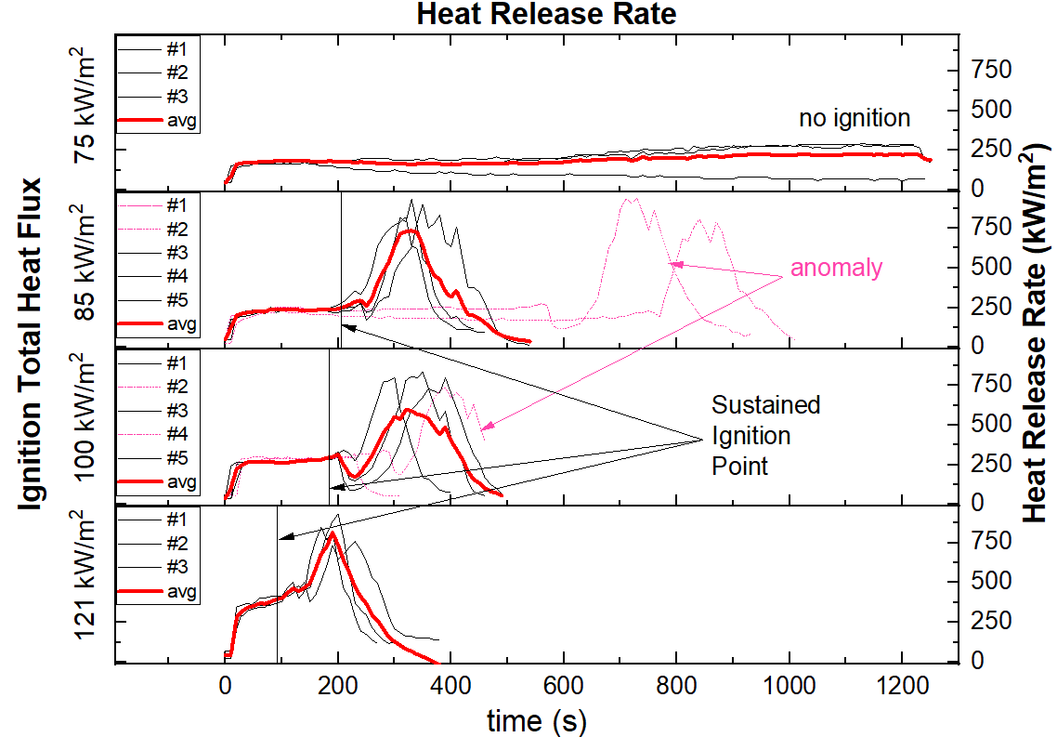
0 | 35.18505 | 47.11642 | 47.01458 | 70.25401 | 23.41029 | 46.70532 | 70.28878 | 46.74365 | 58.65145 | 46.65946 | 58.6903 | 35.12701 | 58.71948 | 35.23169 | 70.3701 | 35.05198 | 23.47612
10 | 151.51936 | 46.95224 | 46.87466 | 198.17306 | 23.46835 | 175.03024 | 70.09246 | 46.53781 | 151.64324 | 243.17857 | 58.74872 | 35.02325 | 58.52572 | 35.11543 | 70.41669 | 35.12701 | 23.38719
20 | 163.01503 | 140.41548 | 151.84208 | 209.31798 | 151.59365 | 186.39406 | 255.1702 | 208.53966 | 209.59075 | 266.89837 | 58.50645 | 254.43057 | 255.54244 | 151.22328 | 347.286 | 290.10693 | 208.84318
30 | 163.87202 | 151.59365 | 162.6443 | 221.12658 | 173.95155 | 196.98591 | 255.45958 | 220.62418 | 220.16072 | 265.82468 | 255.62538 | 243.06104 | 288.70814 | 243.53217 | 358.68888 | 289.07917 | 311.75481
40 | 163.44184 | 150.92892 | 174.06416 | 220.30301 | 185.96975 | 197.5287 | 267.24472 | 231.9354 | 231.71073 | 276.84927 | 267.02809 | 266.03838 | 288.24636 | 265.56891 | 368.19115 | 323.30129 | 334.36577
50 | 163.49543 | 162.43359 | 162.48619 | 220.76737 | 197.24078 | 208.27096 | 278.45758 | 231.89791 | 232.72693 | 277.91836 | 266.812 | 265.782 | 300.49746 | 265.18665 | 356.85561 | 334.20557 | 367.60653
60 | 162.80287 | 174.37496 | 162.56519 | 231.11478 | 208.80939 | 219.91237 | 301.27257 | 231.89791 | 232.31131 | 265.56891 | 277.73932 | 265.61149 | 300.40099 | 276.40744 | 356.06234 | 345.89563 | 401.05287
70 | 162.53884 | 174.23348 | 162.6707 | 231.89791 | 220.08968 | 230.89249 | 299.87208 | 208.17047 | 231.56131 | 265.61149 | 287.69513 | 265.61149 | 300.30462 | 276.31933 | 355.44276 | 344.30353 | 400.92632
80 | 162.88233 | 174.4033 | 163.41507 | 242.16564 | 219.80619 | 231.41218 | 322.57825 | 254.38967 | 231.63598 | 275.74865 | 288.4308 | 264.76384 | 288.4308 | 276.0555 | 356.45831 | 366.5612 | 411.66761
90 | 163.71031 | 185.51833 | 174.09234 | 254.9641 | 220.37426 | 242.98279 | 324.23809 | 219.9478 | 243.53217 | 264.97499 | 288.52316 | 265.01728 | 298.82257 | 265.35634 | 368.19115 | 401.05287 | 412.38135
100 | 163.52224 | 185.96975 | 174.57361 | 253.65679 | 231.524 | 242.94369 | 324.34268 | 231.22617 | 243.65038 | 264.51112 | 288.47697 | 264.55319 | 288.29243 | 265.22904 | 378.79387 | 410.89319 | 412.2513
110 | 163.52224 | 185.96975 | 162.51251 | 254.79958 | 219.38302 | 243.41413 | 323.0425 | 231.30052 | 242.74848 | 265.48382 | 288.61561 | 263.799 | 299.82413 | 264.84824 | 422.83701 | 465.56168 | 410.70027
120 | 175.23114 | 186.42448 | 163.14805 | 253.61626 | 219.62957 | 243.65038 | 323.45686 | 231.44943 | 242.59264 | 265.39881 | 288.89348 | 263.75729 | 288.15426 | 275.92387 | 455.83463 | 499.85968 | 433.51695
130 | 175.2599 | 185.84905 | 162.32854 | 254.47149 | 219.7355 | 231.67335 | 323.1977 | 230.74464 | 242.63157 | 275.61746 | 287.74094 | 276.09942 | 288.01629 | 276.84927 | 477.88084 | 399.98096 | 456.33363
140 | 174.88716 | 173.41963 | 174.68744 | 243.45346 | 220.19627 | 231.63598 | 346.50533 | 231.00355 | 242.74848 | 276.67229 | 287.4207 | 275.83622 | 288.24636 | 277.11539 | 456.11957 | 443.26382 | 500.24792
150 | 174.91575 | 174.57361 | 162.77641 | 242.08825 | 207.47107 | 230.92949 | 346.06159 | 230.67083 | 242.47596 | 276.67229 | 287.28377 | 275.7049 | 299.63258 | 288.56937 | 466.28505 | 639.5575 | 377.95662
160 | 174.74443 | 162.09292 | 162.30231 | 231.48671 | 207.33865 | 231.15189 | 346.33873 | 230.59708 | 242.47596 | 276.0116 | 288.2003 | 275.83622 | 287.23818 | 288.75444 | 563.32213 | 763.07917 | 422.83701
170 | 174.97297 | 150.73364 | 173.643 | 231.82298 | 207.70342 | 230.44981 | 346.06159 | 242.90461 | 242.78748 | 275.13801 | 287.97035 | 287.4207 | 286.91961 | 287.1926 | 684.33516 | 846.71054 | 510.66579
180 | 186.82129 | 151.10042 | 173.67098 | 231.18902 | 207.70342 | 230.41303 | 334.25895 | 242.63157 | 242.63157 | 286.33077 | 287.05601 | 298.91752 | 297.83098 | 299.58475 | 806.36767 | 768.17507 | 606.17188
190 | 186.48536 | 150.4906 | 174.60205 | 231.71073 | 207.37173 | 218.78767 | 335.22408 | 253.49479 | 242.55373 | 287.01052 | 288.10825 | 308.79926 | 297.64322 | 299.25058 | 883.2793 | 821.14474 | 734.34224
200 | 186.39406 | 139.22879 | 174.74443 | 231.59864 | 196.6687 | 219.34786 | 356.40166 | 265.73934 | 242.32066 | 299.68043 | 299.25058 | 332.40591 | 297.73705 | 321.45178 | 930.90799 | 627.79041 | 647.94003
210 | 185.18937 | 139.9326 | 174.37496 | 231.67335 | 196.29007 | 230.70773 | 358.22791 | 287.78678 | 242.04958 | 150.6606 | 299.15531 | 252.64933 | 297.97203 | 345.06938 | 775.78671 | 457.3409 | 680.94352
220 | 186.5768 | 139.4094 | 174.71593 | 231.18902 | 196.10157 | 230.30281 | 357.08323 | 322.16725 | 252.36939 | 92.98487 | 299.01257 | 161.91036 | 297.784 | 320.58937 | 556.07165 | 405.28282 | 720.966
230 | 186.48536 | 127.31769 | 174.29003 | 231.33772 | 196.70035 | 252.36939 | 357.88335 | 354.43584 | 254.14467 | 92.95468 | 321.80892 | 150.58767 | 298.11328 | 275.74865 | 371.33955 | 284.40862 | 758.18972
240 | 198.27026 | 128.12501 | 173.72699 | 231.41218 | 196.73202 | 276.53977 | 357.25423 | 332.19609 | 277.516 | 104.42159 | 161.93641 | 173.643 | 320.53885 | 332.30095 | 328.28352 | 194.61287 | 706.1243
250 | 196.92234 | 127.83344 | 162.6443 | 231.59864 | 196.29007 | 173.0308 | 356.91247 | 388.43097 | 220.05418 | 127.4409 | 104.42159 | 195.66384 | 320.23627 | 443.05745 | 294.23252 | 172.34291 | 631.29867
260 | 196.60544 | 128.06236 | 162.24988 | 241.93369 | 196.73202 | 207.9032 | 355.89304 | 486.69025 | 231.11478 | 139.09379 | 81.65405 | 230.04625 | 320.94364 | 551.88728 | 216.25152 | 138.04971 | 534.62436
270 | 197.27271 | 116.38241 | 161.93641 | 231.15189 | 184.30102 | 275.5301 | 357.42548 | 636.76865 | 310.71074 | 161.98853 | 70.05798 | 309.62812 | 320.43789 | 657.53482 | 172.34291 | 115.35386 | 493.17128
280 | 198.10834 | 116.02399 | 162.27609 | 242.01093 | 184.59571 | 308.79926 | 356.28845 | 701.06739 | 422.77064 | 197.20887 | 58.32432 | 386.07554 | 342.46463 | 773.34272 | 138.22577 |  | 394.62671
290 | 198.04369 | 116.43931 | 163.0682 | 242.55373 | 196.7954 | 319.73386 | 357.82602 | 739.65699 | 554.68595 | 230.44981 | 58.31478 | 475.95866 | 332.40591 | 778.92348 | 115.05973 |  | 284.27595
300 | 186.03019 | 127.81269 | 162.09292 | 243.06104 | 184.59571 | 474.42295 | 356.45831 | 771.87174 | 670.08174 | 310.11881 | 58.46797 | 549.37945 | 207.93655 | 799.70867 | 127.13354 |  | 206.51672
310 | 186.03019 | 116.11799 | 161.96246 | 242.74848 | 185.07018 | 537.6803 | 358.40057 | 788.18537 | 816.45622 | 386.85592 | 58.36252 | 633.92168 | 184.98094 | 596.40367 | 104.48925 |  | 184.33043
320 | 185.6985 | 116.02399 | 162.35478 | 242.90461 | 184.27163 | 580.65045 | 358.05551 | 819.14036 | 789.09538 | 509.79832 |  | 781.64264 | 230.92949 | 501.80942 |  |  | 161.39217
330 | 184.83249 | 104.21939 | 162.32854 | 241.74089 | 184.41873 | 630.36975 | 357.02628 | 637.504 | 932.3538 | 593.68866 |  | 807.40836 | 287.37503 | 369.48803 |  |  | 161.57297
340 | 196.29007 | 104.62498 | 162.90885 | 242.55373 | 184.83249 | 785.02494 | 357.1402 | 620.40627 | 765.40965 | 635.8154 |  | 797.98355 | 342.94853 | 271.68292 |  |  | 150.05607
350 | 185.18937 | 104.55705 | 173.39177 | 241.85651 | 184.92152 | 900.46625 | 356.96936 | 468.77614 | 552.63098 | 675.40116 |  | 835.60882 | 507.84311 | 170.99139 |  |  | 150.10417
360 | 198.07601 | 104.72712 | 162.82935 | 242.01093 | 185.04042 | 751.67128 | 357.42548 | 305.64328 | 512.34834 | 728.40392 |  | 732.39586 | 593.77824 | 160.49717 |  |  | 150.44213
370 | 197.65707 | 104.13548 | 162.22369 | 253.3331 | 185.2192 | 778.59747 | 346.17237 | 227.59773 | 349.74039 | 714.13304 |  | 626.69463 | 668.47987 | 126.30464 |  |  | 138.758
380 | 186.27253 | 116.04277 | 162.0668 | 254.02244 | 185.01067 | 833.01814 | 345.95092 | 182.6478 | 272.8625 | 701.82362 |  | 530.05887 | 717.78805 | 91.91622 |  |  | 139.11626
390 | 186.30289 | 104.05178 | 161.88434 | 252.97041 | 184.53666 | 664.23674 | 356.85561 | 160.77685 | 228.45296 | 799.13239 |  | 585.70283 | 736.64105 | 80.59314
400 | 186.15124 | 116.23109 | 162.0407 | 253.49479 | 184.65482 | 631.47934 | 345.61955 | 137.569 | 183.3674 | 702.63674 |  | 424.83126 | 673.81408 | 80.55464
410 | 186.06043 | 104.26983 | 162.6707 | 241.58699 | 184.65482 | 759.32193 | 346.33873 | 115.20652 | 194.58222 | 607.00326 |  | 347.88218 | 702.63674
420 | 197.91456 | 104.47233 | 162.82935 | 241.93369 | 184.98094 | 561.21635 | 345.23415 | 115.07805 | 149.10378 | 509.39399 |  | 271.64107 | 670.08916
430 | 197.62496 | 104.21939 | 173.67098 | 242.43711 | 173.36392 | 377.73574 | 345.12428 | 115.35386 | 126.56571 | 402.29041 |  | 148.33164 | 542.85549
440 | 197.30466 | 92.41624 | 173.30827 | 241.77942 | 172.75465 | 378.63579 | 357.1972 | 103.80187 | 115.35386 | 315.02803 |  | 80.45223 | 630.27708
450 | 196.29007 | 92.68429 | 174.4033 | 241.47176 | 172.69958 | 347.46158 | 357.1972 | 92.31263 |  | 261.16875 |  | 68.97001 | 513.03744
460 | 196.19575 | 93.03021 | 173.8111 | 242.08825 | 172.83736 | 282.09187 | 358.05551 | 92.66934 |  | 171.63613 |  | 57.56653 | 403.74777
470 | 196.7954 | 104.57402 | 162.24988 | 242.63157 | 184.00773 | 192.76902 | 357.25423 |  |  | 126.10492
480 | 209.35202 | 92.99998 | 173.69898 | 242.24311 | 172.31556 | 114.20857 | 356.96936 |  |  | 103.43858
490 | 197.5287 | 92.95468 | 173.33609 | 242.70949 | 184.24225 | 68.81713 | 357.82602 |  |  | 69.4572
500 | 196.7637 | 92.89439 | 184.98094 | 242.55373 | 173.30827 | 46.01657 | 356.51499
510 | 196.16434 | 104.25301 | 196.57384 | 241.20352 | 172.34291 | 34.49597 | 356.96936
520 | 196.25861 | 92.99998 | 185.18937 | 252.7696 | 172.80978 | 23.05971 | 357.88335
530 | 196.95412 | 92.99998 | 185.66843 | 253.81911 | 172.89256 | 23.05234 | 357.25423
540 | 197.20887 | 92.84925 | 185.3985 | 253.49479 | 172.69958 | 11.57807 | 356.62842
550 | 197.49665 | 92.96977 | 184.80284 | 264.59528 | 172.34291
560 | 197.36859 | 92.87934 | 197.08137 | 275.35563 | 172.50725
570 | 197.14509 | 92.69925 | 197.04953 | 265.48382 | 173.14162
580 | 196.92234 | 92.40142 | 196.98591 | 138.9144 | 161.46958
590 | 196.25861 | 92.6096 | 196.57384 | 116.38241 | 172.39764
600 | 207.73668 | 92.32741 | 197.30466 | 115.91149 | 172.20631
610 | 207.76995 | 103.91827 | 197.20887 | 127.66772 | 172.31556
620 | 209.21597 | 92.40142 | 219.7355 | 139.54532 | 172.69958
630 | 219.80619 | 92.63945 | 219.31272 | 151.10042 | 183.97848
640 | 207.53738 | 92.28309 | 220.65995 | 207.73668 | 184.41873
650 | 220.87495 | 92.84925 | 220.23183 | 254.02244 | 184.27163
660 | 219.17234 | 92.72919 | 219.48858 | 308.84783 | 183.54138
670 | 218.85746 | 92.32741 | 220.69574 | 477.13879 | 195.32196
680 | 219.87696 | 92.69925 | 242.8265 | 627.86222 | 183.16506
690 | 220.48127 | 92.95468 | 242.59264 | 688.91447 | 183.68673
700 | 219.5943 | 92.44591 | 243.17857 | 867.31722 | 195.63269
710 | 220.73155 | 92.57977 | 242.67052 | 936.73201 | 195.60155
720 | 196.0702 | 81.36176 | 243.76876 | 907.08935 | 207.14049
730 | 220.33863 | 81.13804 | 243.21778 | 938.43349 | 218.47445
740 | 242.51484 | 92.38661 | 255.0877 | 843.83656 | 217.71442
750 | 219.98324 | 81.34855 | 255.33544 | 738.35853 | 228.48881
760 | 232.23598 | 81.07259 | 254.26708 | 862.80667 | 217.88645
770 | 231.78555 | 92.74417 | 253.94105 | 747.4179 | 195.22903
780 | 230.81853 | 81.0073 | 253.85973 | 635.38497 | 330.84188
790 | 232.349 | 80.89017 | 254.06316 | 530.75965 | 428.32095
800 | 230.8555 | 81.26942 | 266.2526 | 446.11952 | 549.04764
810 | 231.15189 | 81.34855 | 265.52636 | 380.11218 | 683.85778
820 | 232.08554 | 81.07259 | 242.32066 | 305.26728 | 671.06341
830 | 232.04798 | 81.13804 | 276.93789 | 260.0425 | 751.77854
840 | 254.38967 | 80.98123 | 266.46734 | 205.38227 | 807.17734
850 | 253.7785 | 69.24556 | 265.9956 | 171.15189 | 740.35509
860 | 254.8818 | 69.60313 | 277.96318 | 159.96727 | 657.67446
870 | 255.00528 | 69.43483 | 277.42683 | 137.6125 | 790.63496
880 | 253.69734 | 69.16807 | 266.46734 | 137.4171 | 727.29417
890 | 255.501 | 69.47959 | 277.56063 | 126.26462 | 602.25961
900 | 278.36749 | 69.33443 | 267.02809 | 92.47561 | 508.71944
910 | 277.56063 | 81.12494 | 265.782 | 92.71422 | 357.75264
920 | 265.27145 | 80.91616 | 277.516 | 69.379 | 347.67169
930 | 278.77357 | 80.82532 | 277.0266 | 81.19052 | 302.94829
...

Figure 17
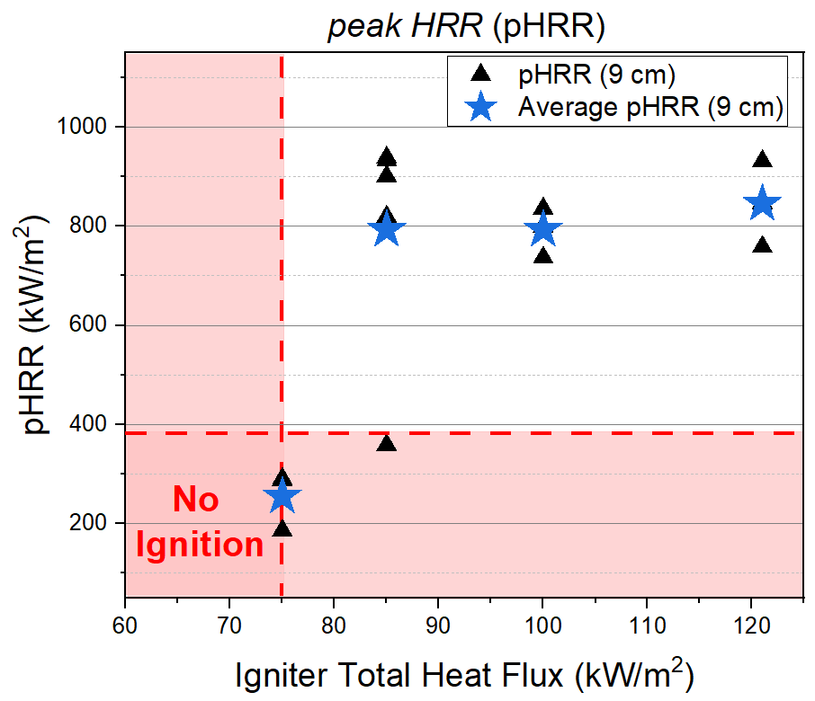
t.Heat Flux | Average pHRR (9 cm) |  | pHRR (6 cm)
 | kW/m\+(2) |  | kW/m\+(2)
75 | 255.19021 | 85 | 753.21676
85 | 792.66197 | 85 | 925.32577
100 | 792.77273 | 75 | 174.06416
121 | 845.26942 | 85 | 764.20322
 |  | 100 | 938.91467
 |  | 100 | 760.57364
 |  | 121 | 578.95768
 |  | 121 | 822.36867
 |  | 121 | 719.1658
 |  | 98 | 846.74809
 |  | 98 | 584.74132
 |  | 100 | 306.85525
 |  | 100 | 688.40997
...

Figure 19
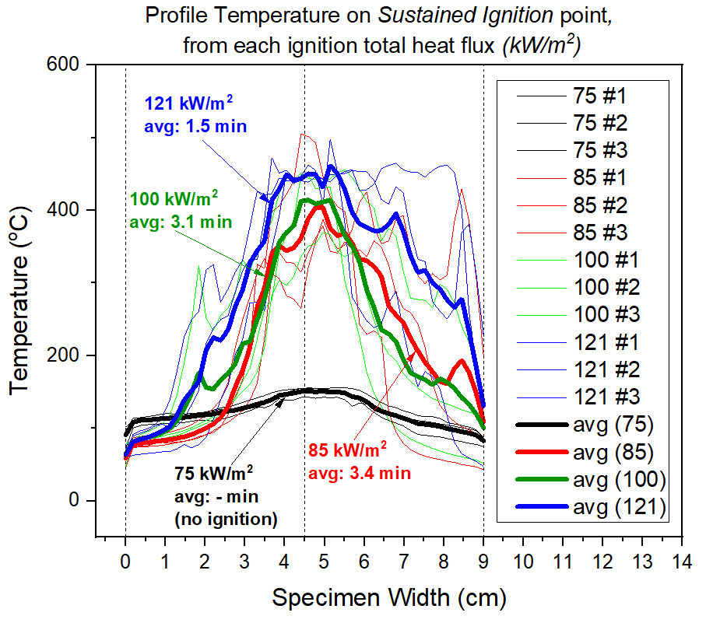
100 #2 | 9a | 100 #3 | 121 #1 | 121 #2 | 121 #3
79.39362 | 57.27077 | 48.1441 | 60.14602 | 72.18375 | 59.23215
81.34329 | 60.18201 | 81.93408 | 91.74347 | 89.34507 | 63.02939
81.1394 | 60.31039 | 91.31463 | 96.63827 | 93.47892 | 64.3214
82.75975 | 61.35347 | 95.65532 | 99.6211 | 96.85152 | 65.5891
84.0969 | 62.83264 | 100.02897 | 105.23722 | 103.04291 | 66.374
85.70812 | 64.29407 | 106.45998 | 115.75915 | 105.9132 | 67.66307
88.0849 | 65.30647 | 117.77175 | 138.01963 | 100.44745 | 68.03438
90.27785 | 66.43763 | 145.35818 | 178.01339 | 103.29572 | 71.65506
93.76169 | 67.81409 | 189.92723 | 225.80393 | 113.27177 | 77.91902
98.49972 | 69.59351 | 244.4769 | 249.27693 | 132.24962 | 73.26428
102.27527 | 71.60513 | 323.6772 | 261.23327 | 152.57339 | 77.70244
106.97066 | 74.50405 | 251.41557 | 317.85777 | 217.29729 | 87.30608
111.9764 | 77.23878 | 234.26457 | 325.54473 | 237.55533 | 111.5108
120.14242 | 80.96602 | 255.35353 | 274.1585 | 249.58447 | 139.21587
129.28445 | 87.96308 | 265.46477 | 291.71093 | 254.7637 | 159.55304
141.67269 | 92.46035 | 285.25473 | 315.0298 | 287.78933 | 201.403
164.7241 | 100.56439 | 332.83857 | 331.48733 | 316.9719 | 222.43208
182.7277 | 109.59386 | 315.5213 | 377.42213 | 333.28403 | 272.55656
223.06279 | 149.15373 | 347.62897 | 426.77677 | 332.256 | 273.68892
263.93017 | 191.79199 | 360.7389 | 421.24327 | 388.89257 | 261.91913
276.35053 | 215.88435 | 385.77043 | 422.87287 | 472.5723 | 347.38823
341.5444 | 206.47912 | 423.40917 | 444.4587 | 451.38947 | 391.69197
366.7111 | 253.9806 | 444.66383 | 440.9567 | 455.32177 | 452.229
385.672 | 293.4546 | 440.59157 | 440.7634 | 445.0646 | 436.1174
449.2314 | 308.68197 | 452.06213 | 440.98993 | 443.31533 | 447.35263
448.06193 | 418.02083 | 444.12027 | 438.85613 | 449.34437 | 462.5416
429.9155 | 471.09907 | 442.54387 | 446.57733 | 447.1262 | 454.8875
431.53867 | 448.5755 | 433.78667 | 443.76103 | 442.96633 | 407.5214
432.1769 | 333.8022 | 443.86397 | 448.81443 | 439.16873 | 497.93903
376.45787 | 308.20373 | 452.14983 | 450.25053 | 448.8942 | 452.12013
302.23183 | 298.0791 | 455.8103 | 450.88253 | 453.45713 | 381.10097
264.8969 | 265.93297 | 445.28823 | 454.43413 | 455.8971 | 280.27747
225.85685 | 265.80556 | 429.8903 | 453.7492 | 427.00167 | 263.91793
177.10139 | 190.40467 | 411.9962 | 452.96973 | 428.30507 | 247.84524
...

Figure 20
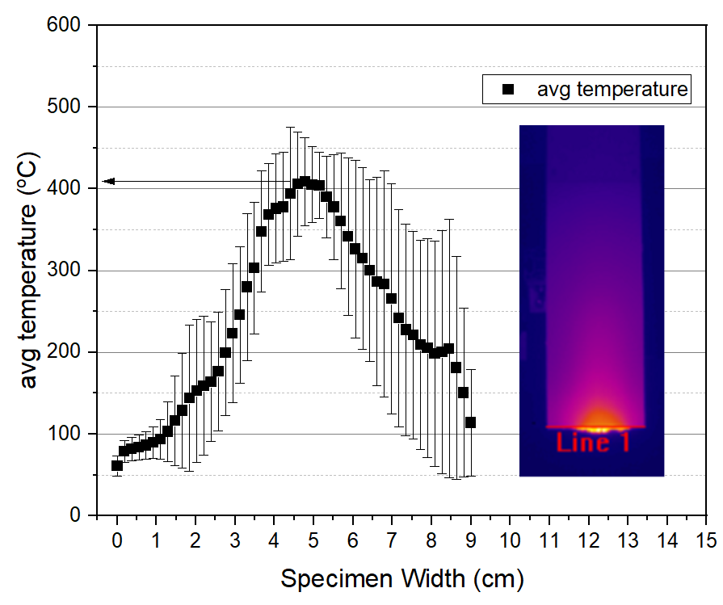
Lebar | avg temperature | stdev
cm | \+(o)C | \+(o)C

0 | 60.92759 | 12.40203
0.18367 | 78.78655 | 13.18208
0.36735 | 81.65551 | 14.44984
0.55102 | 83.51684 | 15.28804
0.73469 | 86.33168 | 16.85769
0.91837 | 89.42579 | 19.03934
1.10204 | 93.65335 | 24.27354
1.28571 | 102.84768 | 36.94058
1.46939 | 116.15902 | 54.73505
1.65306 | 128.55615 | 69.97975
1.83673 | 143.69176 | 89.15705
2.02041 | 152.68959 | 87.18418
2.20408 | 158.92014 | 85.09432
2.38776 | 163.89622 | 73.05776
2.57143 | 176.27378 | 72.89253
2.7551 | 199.54098 | 77.1781
2.93878 | 223.18078 | 84.76402
3.12245 | 245.67518 | 83.86001
3.30612 | 279.93343 | 89.92451
3.4898 | 303.01855 | 80.71062
3.67347 | 347.70148 | 73.90466
3.85714 | 368.64133 | 62.63177
4.04082 | 375.83752 | 66.82434
4.22449 | 377.69646 | 66.70849
4.40816 | 394.31083 | 80.83992
4.59184 | 405.54502 | 63.59996
4.77551 | 408.87924 | 53.7296
4.95918 | 405.24248 | 46.09885
5.14286 | 404.02299 | 40.61474
5.32653 | 390.07215 | 49.64363
5.5102 | 377.71137 | 64.43847
5.69388 | 360.66816 | 83.26679
5.87755 | 341.63313 | 96.20054
6.06122 | 326.45692 | 108.82438
6.2449 | 314.85293 | 111.21017
6.42857 | 300.03865 | 111.40155
6.61224 | 286.60896 | 127.36662
6.79592 | 283.45137 | 138.17582
6.97959 | 265.34563 | 141.18815
7.16327 | 241.83479 | 132.65252
7.34694 | 227.42707 | 129.46655
7.53061 | 221.23157 | 126.98713
7.71429 | 209.10306 | 128.33258
7.89796 | 205.168 | 133.89167
8.08163 | 198.51979 | 137.92022
8.26531 | 200.17765 | 148.77806
8.44898 | 204.58612 | 158.19482
8.63265 | 180.95668 | 135.90075
...

